3-inch Si wafer 945 point map
Blue Ridge Optics, May 2025
3-inch Silicon Reference Wafer |  |  | Native oxide thickness
 |  |  | 945 point thickness map | Results at Center point (0,0)
Oxide Thickness in nm vs. Position
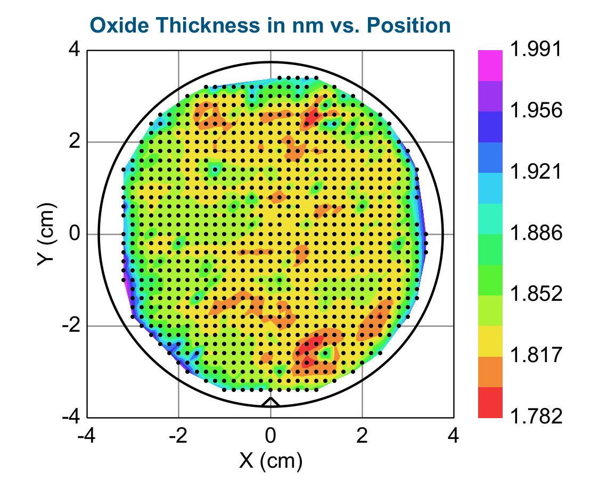
X (cm) | Y (cm) | Thickness, nm
1.0 | 3.4 | 1.90
0.8 | 3.4 | 1.92
0.6 | 3.4 | 1.90
0.4 | 3.4 | 1.89
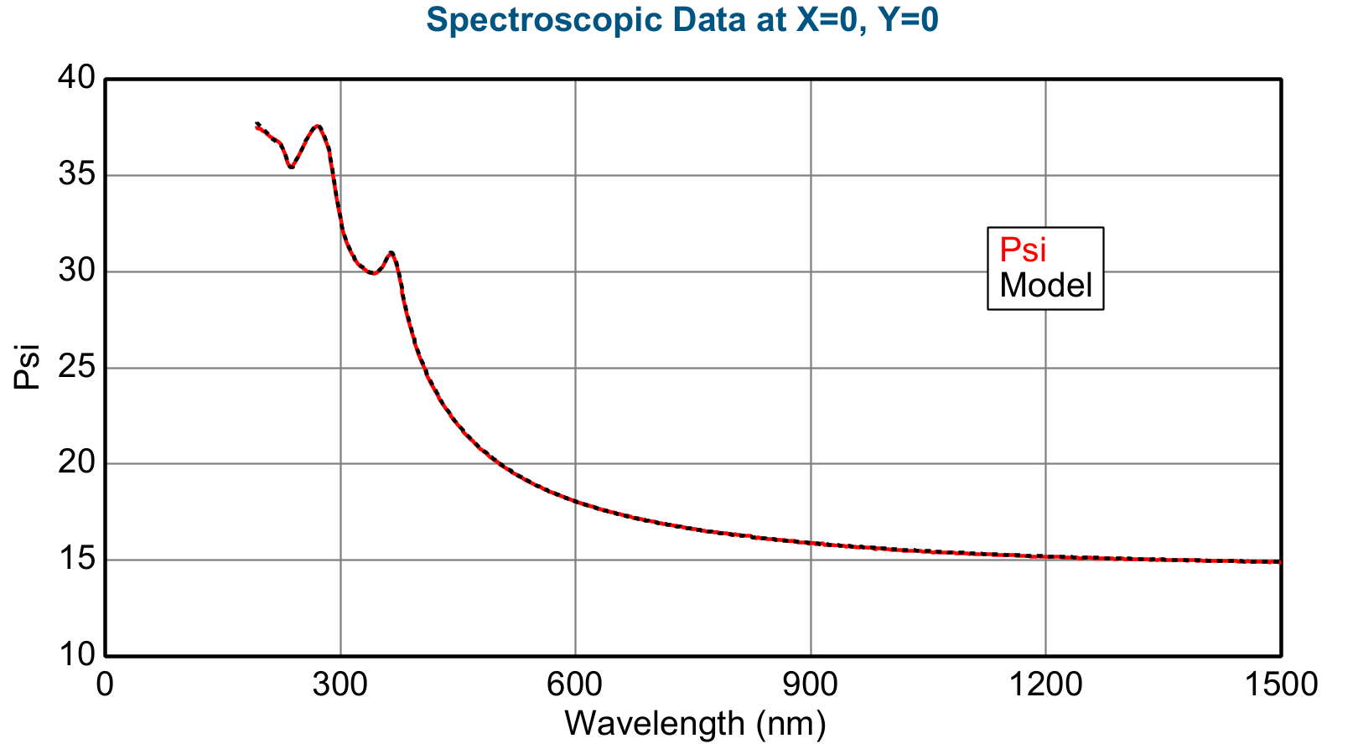
0.2 | 3.4 | 1.91
-1.4 | 3.2 | 1.87
-1.2 | 3.2 | 1.95
-1.0 | 3.2 | 1.87
-0.8 | 3.2 | 1.91
-0.6 | 3.2 | 1.86
-0.4 | 3.2 | 1.92
-0.2 | 3.2 | 1.89
0.0 | 3.2 | 1.86
0.2 | 3.2 | 1.86
0.4 | 3.2 | 1.88
0.6 | 3.2 | 1.89
0.8 | 3.2 | 1.88
1.2 | 3.2 | 1.84
1.4 | 3.2 | 1.86
1.8 | 3.0 | 1.89
1.6 | 3.0 | 1.91
1.4 | 3.0 | 1.83
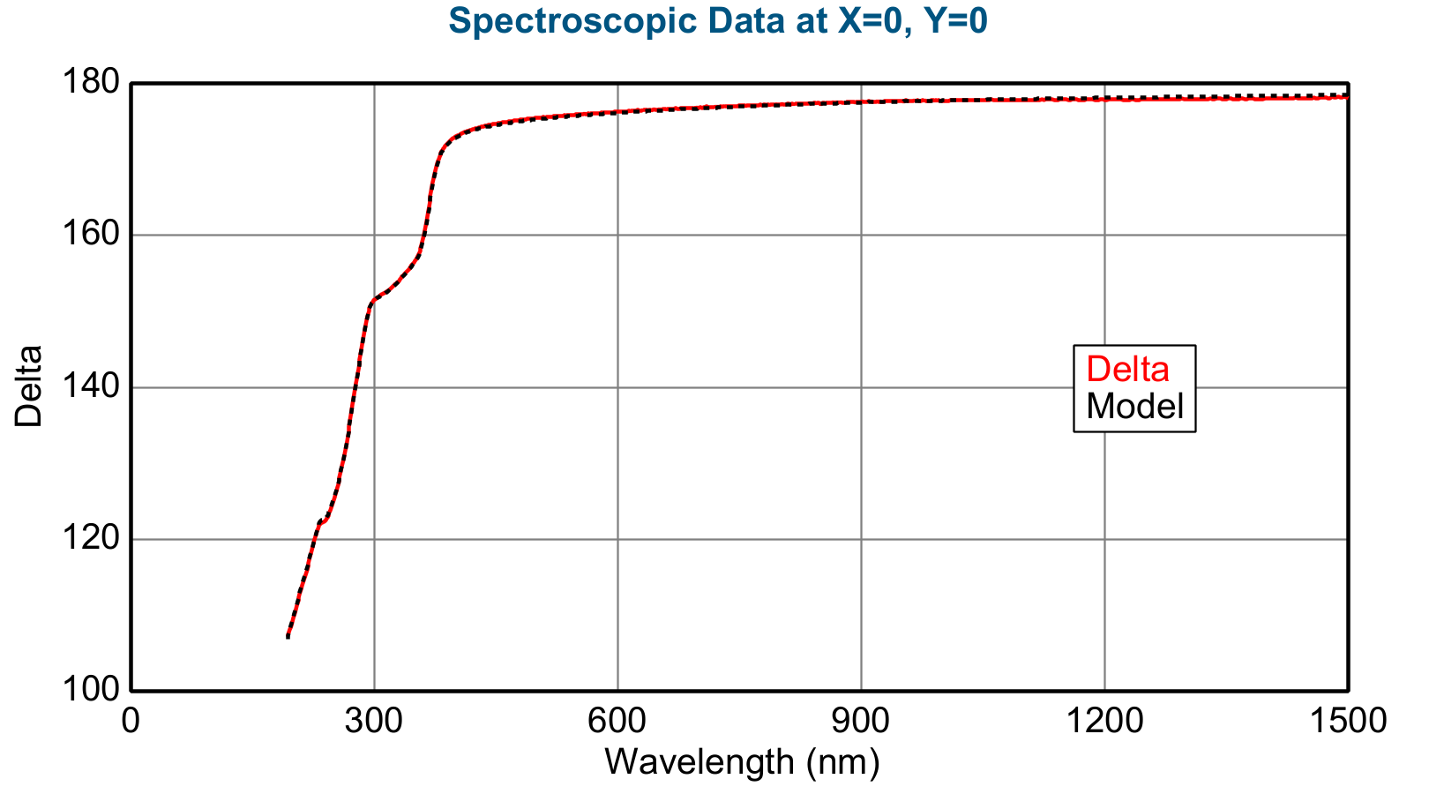
1.2 | 3.0 | 1.81
1.0 | 3.0 | 1.82
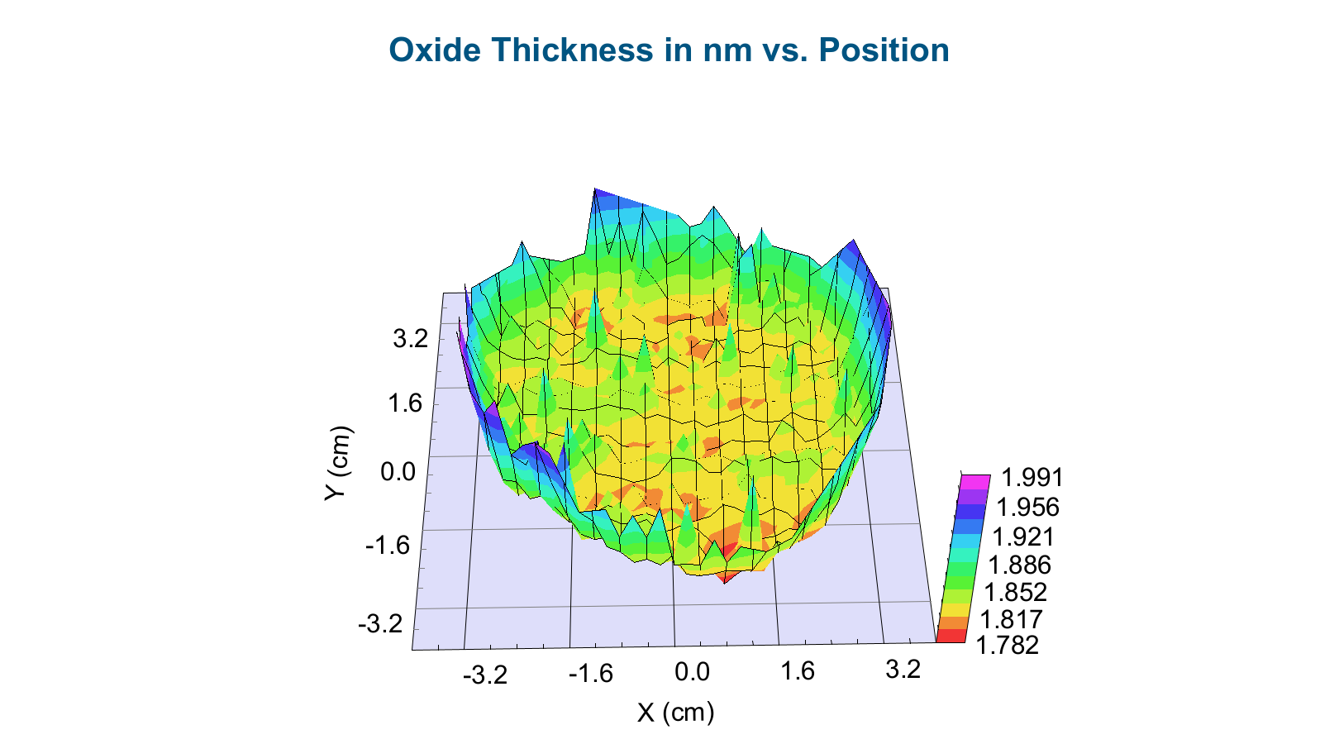
0.8 | 3.0 | 1.85
0.6 | 3.0 | 1.89
0.4 | 3.0 | 1.85
0.2 | 3.0 | 1.85
0.0 | 3.0 | 1.86
-0.2 | 3.0 | 1.86
-0.4 | 3.0 | 1.92
-0.6 | 3.0 | 1.83
-0.8 | 3.0 | 1.83
-1.0 | 3.0 | 1.82
-1.2 | 3.0 | 1.84
-1.4 | 3.0 | 1.83
-1.6 | 3.0 | 1.84
-1.8 | 3.0 | 1.87
-2.0 | 2.8 | 1.87
-1.8 | 2.8 | 1.85
-1.6 | 2.8 | 1.82
-1.4 | 2.8 | 1.80
-1.2 | 2.8 | 1.81
-1.0 | 2.8 | 1.83
-0.8 | 2.8 | 1.83
-0.6 | 2.8 | 1.83
-0.4 | 2.8 | 1.87
-0.2 | 2.8 | 1.85
0.0 | 2.8 | 1.83
0.2 | 2.8 | 1.83
0.4 | 2.8 | 1.82
0.6 | 2.8 | 1.83
0.8 | 2.8 | 1.83
1.0 | 2.8 | 1.80
1.2 | 2.8 | 1.91
1.4 | 2.8 | 1.83
1.6 | 2.8 | 1.85
1.8 | 2.8 | 1.85
2.0 | 2.8 | 1.86
2.4 | 2.6 | 1.89
2.2 | 2.6 | 1.87
2.0 | 2.6 | 1.84
1.8 | 2.6 | 1.83
1.6 | 2.6 | 1.83
1.4 | 2.6 | 1.80
1.2 | 2.6 | 1.81
1.0 | 2.6 | 1.78
0.8 | 2.6 | 1.80
0.6 | 2.6 | 1.82
0.4 | 2.6 | 1.81
0.2 | 2.6 | 1.81
0.0 | 2.6 | 1.81
-0.2 | 2.6 | 1.81
-0.4 | 2.6 | 1.84
-0.6 | 2.6 | 1.82
-0.8 | 2.6 | 1.86
-1.0 | 2.6 | 1.82
-1.2 | 2.6 | 1.81
-1.4 | 2.6 | 1.83
-1.6 | 2.6 | 1.80
-1.8 | 2.6 | 1.85
-2.0 | 2.6 | 1.85
-2.2 | 2.6 | 1.88
-2.4 | 2.6 | 1.90
-2.6 | 2.4 | 1.90
-2.4 | 2.4 | 1.93
-2.2 | 2.4 | 1.89
-2.0 | 2.4 | 1.84
-1.8 | 2.4 | 1.84
-1.6 | 2.4 | 1.81
-1.4 | 2.4 | 1.80
-1.2 | 2.4 | 1.80
-1.0 | 2.4 | 1.81
-0.8 | 2.4 | 1.81
-0.6 | 2.4 | 1.83
-0.4 | 2.4 | 1.82
-0.2 | 2.4 | 1.82
0.0 | 2.4 | 1.82
0.2 | 2.4 | 1.82
0.4 | 2.4 | 1.83
0.6 | 2.4 | 1.83
0.8 | 2.4 | 1.78
1.0 | 2.4 | 1.81
1.2 | 2.4 | 1.90
1.4 | 2.4 | 1.92
1.6 | 2.4 | 1.83
1.8 | 2.4 | 1.88
2.0 | 2.4 | 1.83
2.2 | 2.4 | 1.83
2.4 | 2.4 | 1.88
2.6 | 2.4 | 1.89
2.6 | 2.2 | 1.90
2.4 | 2.2 | 1.83
2.2 | 2.2 | 1.86
2.0 | 2.2 | 1.86
1.8 | 2.2 | 1.85
1.6 | 2.2 | 1.86
1.4 | 2.2 | 1.84
1.2 | 2.2 | 1.83
1.0 | 2.2 | 1.83
0.8 | 2.2 | 1.83
0.6 | 2.2 | 1.83
0.4 | 2.2 | 1.82
0.2 | 2.2 | 1.83
0.0 | 2.2 | 1.82
-0.2 | 2.2 | 1.83
-0.4 | 2.2 | 1.82
-0.6 | 2.2 | 1.82
-0.8 | 2.2 | 1.84
-1.0 | 2.2 | 1.82
-1.2 | 2.2 | 1.84
-1.4 | 2.2 | 1.83
-1.6 | 2.2 | 1.82
-1.8 | 2.2 | 1.83
-2.0 | 2.2 | 1.83
-2.2 | 2.2 | 1.84
-2.4 | 2.2 | 1.85
-2.6 | 2.2 | 1.90
-2.8 | 2.0 | 1.87
-2.6 | 2.0 | 1.84
-2.4 | 2.0 | 1.84
-2.2 | 2.0 | 1.85
-2.0 | 2.0 | 1.84
-1.8 | 2.0 | 1.83
-1.6 | 2.0 | 1.83
-1.4 | 2.0 | 1.82
-1.2 | 2.0 | 1.82
-1.0 | 2.0 | 1.83
-0.8 | 2.0 | 1.82
-0.6 | 2.0 | 1.82
-0.4 | 2.0 | 1.82
-0.2 | 2.0 | 1.82
0.0 | 2.0 | 1.82
0.2 | 2.0 | 1.81
0.4 | 2.0 | 1.81
0.6 | 2.0 | 1.82
0.8 | 2.0 | 1.82
1.0 | 2.0 | 1.82
1.2 | 2.0 | 1.83
1.4 | 2.0 | 1.83
1.6 | 2.0 | 1.83
1.8 | 2.0 | 1.85
2.0 | 2.0 | 1.84
2.2 | 2.0 | 1.85
2.4 | 2.0 | 1.83
2.6 | 2.0 | 1.83
2.8 | 2.0 | 1.92
3.0 | 1.8 | 1.95
2.8 | 1.8 | 1.87
2.6 | 1.8 | 1.82
2.4 | 1.8 | 1.85
2.2 | 1.8 | 1.84
2.0 | 1.8 | 1.83
1.8 | 1.8 | 1.83
1.6 | 1.8 | 1.82
1.4 | 1.8 | 1.82
1.2 | 1.8 | 1.82
1.0 | 1.8 | 1.81
0.8 | 1.8 | 1.82
0.6 | 1.8 | 1.81
0.4 | 1.8 | 1.81
0.2 | 1.8 | 1.84
0.0 | 1.8 | 1.83
-0.2 | 1.8 | 1.81
-0.4 | 1.8 | 1.83
-0.6 | 1.8 | 1.82
-0.8 | 1.8 | 1.82
-1.0 | 1.8 | 1.82
-1.2 | 1.8 | 1.81
-1.4 | 1.8 | 1.82
-1.6 | 1.8 | 1.82
-1.8 | 1.8 | 1.83
-2.0 | 1.8 | 1.84
-2.2 | 1.8 | 1.83
-2.4 | 1.8 | 1.84
-2.6 | 1.8 | 1.84
-2.8 | 1.8 | 1.87
-3.0 | 1.6 | 1.90
-2.8 | 1.6 | 1.85
-2.6 | 1.6 | 1.87
-2.4 | 1.6 | 1.85
-2.2 | 1.6 | 1.83
-2.0 | 1.6 | 1.84
-1.8 | 1.6 | 1.82
-1.6 | 1.6 | 1.83
-1.4 | 1.6 | 1.84
-1.0 | 1.6 | 1.84
-0.8 | 1.6 | 1.83
-0.6 | 1.6 | 1.82
-0.4 | 1.6 | 1.82
-0.2 | 1.6 | 1.82
0.0 | 1.6 | 1.83
0.2 | 1.6 | 1.82
0.4 | 1.6 | 1.82
0.6 | 1.6 | 1.81
0.8 | 1.6 | 1.84
1.0 | 1.6 | 1.82
1.2 | 1.6 | 1.83
1.4 | 1.6 | 1.82
1.6 | 1.6 | 1.83
1.8 | 1.6 | 1.83
2.0 | 1.6 | 1.83
2.2 | 1.6 | 1.84
2.4 | 1.6 | 1.83
2.6 | 1.6 | 1.81
2.8 | 1.6 | 1.83
3.0 | 1.6 | 1.89
3.2 | 1.4 | 1.94
3.0 | 1.4 | 1.85
2.8 | 1.4 | 1.82
2.6 | 1.4 | 1.84
2.4 | 1.4 | 1.83
2.2 | 1.4 | 1.83
2.0 | 1.4 | 1.83
1.8 | 1.4 | 1.83
1.6 | 1.4 | 1.83
1.4 | 1.4 | 1.83
1.2 | 1.4 | 1.83
1.0 | 1.4 | 1.84
0.8 | 1.4 | 1.82
0.6 | 1.4 | 1.82
0.4 | 1.4 | 1.83
0.2 | 1.4 | 1.83
0.0 | 1.4 | 1.85
-0.2 | 1.4 | 1.83
-0.4 | 1.4 | 1.84
-0.6 | 1.4 | 1.83
-0.8 | 1.4 | 1.84
-1.0 | 1.4 | 1.85
-1.2 | 1.4 | 1.92
-1.4 | 1.4 | 1.84
-1.6 | 1.4 | 1.84
-1.8 | 1.4 | 1.83
-2.0 | 1.4 | 1.83
-2.2 | 1.4 | 1.84
-2.4 | 1.4 | 1.85
-2.6 | 1.4 | 1.84
-2.8 | 1.4 | 1.85
-3.0 | 1.4 | 1.90
-3.2 | 1.4 | 1.92
-3.0 | 1.2 | 1.86
-2.8 | 1.2 | 1.85
-2.6 | 1.2 | 1.84
-2.4 | 1.2 | 1.84
-2.2 | 1.2 | 1.84
-2.0 | 1.2 | 1.84
-1.8 | 1.2 | 1.83
-1.6 | 1.2 | 1.83
-1.4 | 1.2 | 1.84
-1.2 | 1.2 | 1.85
-1.0 | 1.2 | 1.84
-0.8 | 1.2 | 1.85
-0.6 | 1.2 | 1.84
-0.4 | 1.2 | 1.84
-0.2 | 1.2 | 1.83
0.0 | 1.2 | 1.84
0.2 | 1.2 | 1.83
0.4 | 1.2 | 1.82
0.6 | 1.2 | 1.83
0.8 | 1.2 | 1.84
1.0 | 1.2 | 1.83
1.2 | 1.2 | 1.83
1.4 | 1.2 | 1.83
1.6 | 1.2 | 1.83
1.8 | 1.2 | 1.83
2.0 | 1.2 | 1.83
2.2 | 1.2 | 1.83
2.4 | 1.2 | 1.83
2.6 | 1.2 | 1.83
2.8 | 1.2 | 1.83
3.0 | 1.2 | 1.84
3.2 | 1.2 | 1.94
3.2 | 1.0 | 1.92
3.0 | 1.0 | 1.85
2.8 | 1.0 | 1.85
2.6 | 1.0 | 1.83
2.4 | 1.0 | 1.83
2.2 | 1.0 | 1.83
2.0 | 1.0 | 1.82
1.8 | 1.0 | 1.85
1.6 | 1.0 | 1.82
1.4 | 1.0 | 1.83
1.2 | 1.0 | 1.82
1.0 | 1.0 | 1.89
0.8 | 1.0 | 1.82
0.6 | 1.0 | 1.82
0.4 | 1.0 | 1.85
0.2 | 1.0 | 1.82
0.0 | 1.0 | 1.83
-0.2 | 1.0 | 1.82
-0.4 | 1.0 | 1.83
-0.6 | 1.0 | 1.83
-0.8 | 1.0 | 1.83
-1.0 | 1.0 | 1.83
-1.2 | 1.0 | 1.83
-1.4 | 1.0 | 1.83
-1.6 | 1.0 | 1.83
-1.8 | 1.0 | 1.82
-2.0 | 1.0 | 1.85
-2.2 | 1.0 | 1.83
-2.4 | 1.0 | 1.83
-2.6 | 1.0 | 1.82
-2.8 | 1.0 | 1.83
-3.0 | 1.0 | 1.84
-3.2 | 1.0 | 1.89
-3.2 | 0.8 | 1.90
-3.0 | 0.8 | 1.84
-2.8 | 0.8 | 1.83
-2.6 | 0.8 | 1.83
-2.4 | 0.8 | 1.83
-2.2 | 0.8 | 1.84
-2.0 | 0.8 | 1.83
-1.8 | 0.8 | 1.84
-1.6 | 0.8 | 1.83
-1.4 | 0.8 | 1.82
-1.2 | 0.8 | 1.82
-1.0 | 0.8 | 1.84
-0.8 | 0.8 | 1.84
-0.6 | 0.8 | 1.83
-0.4 | 0.8 | 1.89
-0.2 | 0.8 | 1.82
0.0 | 0.8 | 1.81
0.2 | 0.8 | 1.80
0.4 | 0.8 | 1.82
0.6 | 0.8 | 1.82
0.8 | 0.8 | 1.83
1.0 | 0.8 | 1.83
1.2 | 0.8 | 1.82
1.4 | 0.8 | 1.82
1.6 | 0.8 | 1.83
1.8 | 0.8 | 1.84
2.0 | 0.8 | 1.84
2.2 | 0.8 | 1.83
2.4 | 0.8 | 1.84
2.6 | 0.8 | 1.83
2.8 | 0.8 | 1.84
3.0 | 0.8 | 1.88
3.2 | 0.8 | 1.92
3.0 | 0.6 | 1.86
2.8 | 0.6 | 1.84
2.6 | 0.6 | 1.83
2.4 | 0.6 | 1.83
2.2 | 0.6 | 1.83
2.0 | 0.6 | 1.89
1.8 | 0.6 | 1.82
1.6 | 0.6 | 1.82
1.4 | 0.6 | 1.82
1.2 | 0.6 | 1.81
1.0 | 0.6 | 1.82
0.6 | 0.6 | 1.83
0.4 | 0.6 | 1.84
0.2 | 0.6 | 1.83
0.0 | 0.6 | 1.83
-0.2 | 0.6 | 1.83
-0.4 | 0.6 | 1.84
-0.6 | 0.6 | 1.84
-0.8 | 0.6 | 1.88
-1.0 | 0.6 | 1.84
-1.2 | 0.6 | 1.84
-1.4 | 0.6 | 1.84
-1.6 | 0.6 | 1.84
-1.8 | 0.6 | 1.85
-2.0 | 0.6 | 1.83
-2.2 | 0.6 | 1.84
-2.4 | 0.6 | 1.84
-2.6 | 0.6 | 1.83
-2.8 | 0.6 | 1.84
-3.0 | 0.6 | 1.87
-3.2 | 0.6 | 1.96
-3.2 | 0.4 | 1.92
-3.0 | 0.4 | 1.86
-2.8 | 0.4 | 1.84
-2.6 | 0.4 | 1.83
-2.4 | 0.4 | 1.85
-2.2 | 0.4 | 1.84
-2.0 | 0.4 | 1.84
-1.8 | 0.4 | 1.84
-1.6 | 0.4 | 1.84
-1.4 | 0.4 | 1.84
-1.2 | 0.4 | 1.83
-1.0 | 0.4 | 1.83
-0.8 | 0.4 | 1.84
-0.6 | 0.4 | 1.84
-0.4 | 0.4 | 1.83
-0.2 | 0.4 | 1.84
0.2 | 0.4 | 1.82
0.4 | 0.4 | 1.83
0.6 | 0.4 | 1.83
0.8 | 0.4 | 1.83
1.0 | 0.4 | 1.81
1.2 | 0.4 | 1.82
1.4 | 0.4 | 1.82
1.6 | 0.4 | 1.82
1.8 | 0.4 | 1.83
2.0 | 0.4 | 1.83
2.2 | 0.4 | 1.82
2.4 | 0.4 | 1.83
2.6 | 0.4 | 1.83
2.8 | 0.4 | 1.84
3.0 | 0.4 | 1.86
3.2 | 0.2 | 1.90
3.0 | 0.2 | 1.85
2.8 | 0.2 | 1.85
2.6 | 0.2 | 1.83
2.4 | 0.2 | 1.84
2.2 | 0.2 | 1.84
2.0 | 0.2 | 1.83
1.8 | 0.2 | 1.83
1.6 | 0.2 | 1.83
1.4 | 0.2 | 1.82
1.2 | 0.2 | 1.83
1.0 | 0.2 | 1.82
0.8 | 0.2 | 1.85
0.6 | 0.2 | 1.83
0.2 | 0.2 | 1.83
0.0 | 0.2 | 1.83
-0.2 | 0.2 | 1.84
-0.4 | 0.2 | 1.86
-0.6 | 0.2 | 1.84
-0.8 | 0.2 | 1.85
-1.0 | 0.2 | 1.84
-1.2 | 0.2 | 1.85
-1.4 | 0.2 | 1.84
-1.6 | 0.2 | 1.84
-1.8 | 0.2 | 1.84
-2.0 | 0.2 | 1.84
-2.2 | 0.2 | 1.84
-2.4 | 0.2 | 1.83
-2.6 | 0.2 | 1.84
-2.8 | 0.2 | 1.84
-3.0 | 0.2 | 1.88
-3.2 | 0.0 | 1.92
-3.0 | 0.0 | 1.88
-2.8 | 0.0 | 1.85
-2.6 | 0.0 | 1.88
-2.4 | 0.0 | 1.84
-2.2 | 0.0 | 1.83
-2.0 | 0.0 | 1.84
-1.8 | 0.0 | 1.84
-1.6 | 0.0 | 1.84
-1.4 | 0.0 | 1.84
-1.2 | 0.0 | 1.84
-1.0 | 0.0 | 1.85
-0.8 | 0.0 | 1.84
-0.6 | 0.0 | 1.84
-0.4 | 0.0 | 1.83
-0.2 | 0.0 | 1.83
0.0 | 0.0 | 1.83
0.2 | 0.0 | 1.82
0.4 | 0.0 | 1.83
0.6 | 0.0 | 1.82
0.8 | 0.0 | 1.82
1.0 | 0.0 | 1.82
1.2 | 0.0 | 1.83
1.4 | 0.0 | 1.82
1.6 | 0.0 | 1.82
1.8 | 0.0 | 1.82
2.0 | 0.0 | 1.83
2.2 | 0.0 | 1.83
2.4 | 0.0 | 1.82
2.6 | 0.0 | 1.82
2.8 | 0.0 | 1.82
3.0 | 0.0 | 1.84
3.2 | 0.0 | 1.89
3.4 | 0.0 | 1.96
3.4 | -0.2 | 1.96
3.2 | -0.2 | 1.88
3.0 | -0.2 | 1.83
2.8 | -0.2 | 1.90
2.6 | -0.2 | 1.84
2.4 | -0.2 | 1.82
2.2 | -0.2 | 1.82
2.0 | -0.2 | 1.83
1.8 | -0.2 | 1.82
1.6 | -0.2 | 1.82
1.4 | -0.2 | 1.82
1.2 | -0.2 | 1.83
1.0 | -0.2 | 1.83
0.8 | -0.2 | 1.82
0.6 | -0.2 | 1.82
0.4 | -0.2 | 1.83
0.2 | -0.2 | 1.83
0.0 | -0.2 | 1.83
-0.2 | -0.2 | 1.82
-0.4 | -0.2 | 1.83
-0.6 | -0.2 | 1.82
-0.8 | -0.2 | 1.83
-1.0 | -0.2 | 1.84
-1.2 | -0.2 | 1.83
-1.4 | -0.2 | 1.84
-1.6 | -0.2 | 1.84
-1.8 | -0.2 | 1.84
-2.0 | -0.2 | 1.90
-2.2 | -0.2 | 1.83
-2.4 | -0.2 | 1.83
-2.6 | -0.2 | 1.82
-2.8 | -0.2 | 1.84
-3.0 | -0.2 | 1.86
-3.2 | -0.2 | 1.92
-3.2 | -0.4 | 1.94
-3.0 | -0.4 | 1.87
-2.8 | -0.4 | 1.85
-2.6 | -0.4 | 1.83
-2.4 | -0.4 | 1.83
-2.2 | -0.4 | 1.83
-2.0 | -0.4 | 1.84
-1.8 | -0.4 | 1.83
-1.6 | -0.4 | 1.83
-1.4 | -0.4 | 1.83
-1.2 | -0.4 | 1.83
-1.0 | -0.4 | 1.83
-0.8 | -0.4 | 1.82
-0.6 | -0.4 | 1.81
-0.4 | -0.4 | 1.82
-0.2 | -0.4 | 1.81
0.0 | -0.4 | 1.81
0.2 | -0.4 | 1.83
0.4 | -0.4 | 1.82
0.6 | -0.4 | 1.81
0.8 | -0.4 | 1.81
1.0 | -0.4 | 1.82
1.2 | -0.4 | 1.82
1.4 | -0.4 | 1.82
1.6 | -0.4 | 1.82
1.8 | -0.4 | 1.85
2.0 | -0.4 | 1.84
2.2 | -0.4 | 1.82
2.4 | -0.4 | 1.82
2.6 | -0.4 | 1.84
2.8 | -0.4 | 1.86
3.0 | -0.4 | 1.84
3.2 | -0.4 | 1.87
3.4 | -0.4 | 1.96
3.2 | -0.6 | 1.87
3.0 | -0.6 | 1.84
2.8 | -0.6 | 1.83
2.6 | -0.6 | 1.83
2.4 | -0.6 | 1.82
2.2 | -0.6 | 1.83
2.0 | -0.6 | 1.82
1.8 | -0.6 | 1.82
1.6 | -0.6 | 1.82
1.4 | -0.6 | 1.82
1.2 | -0.6 | 1.82
1.0 | -0.6 | 1.82
0.8 | -0.6 | 1.82
0.6 | -0.6 | 1.81
0.4 | -0.6 | 1.85
0.2 | -0.6 | 1.83
0.0 | -0.6 | 1.83
-0.2 | -0.6 | 1.83
-0.4 | -0.6 | 1.82
-0.6 | -0.6 | 1.83
-0.8 | -0.6 | 1.82
-1.0 | -0.6 | 1.83
-1.2 | -0.6 | 1.84
-1.4 | -0.6 | 1.86
-1.6 | -0.6 | 1.84
-1.8 | -0.6 | 1.84
-2.0 | -0.6 | 1.83
-2.2 | -0.6 | 1.84
-2.4 | -0.6 | 1.87
-2.6 | -0.6 | 1.85
-2.8 | -0.6 | 1.87
-3.0 | -0.6 | 1.89
-3.2 | -0.6 | 1.99
-3.2 | -0.8 | 1.97
-3.0 | -0.8 | 1.90
-2.8 | -0.8 | 1.86
-2.6 | -0.8 | 1.85
-2.4 | -0.8 | 1.84
-2.2 | -0.8 | 1.84
-2.0 | -0.8 | 1.83
-1.8 | -0.8 | 1.84
-1.6 | -0.8 | 1.84
-1.4 | -0.8 | 1.87
-1.2 | -0.8 | 1.83
-1.0 | -0.8 | 1.84
-0.8 | -0.8 | 1.82
-0.6 | -0.8 | 1.82
-0.4 | -0.8 | 1.82
-0.2 | -0.8 | 1.83
0.0 | -0.8 | 1.82
0.2 | -0.8 | 1.83
0.4 | -0.8 | 1.82
0.6 | -0.8 | 1.82
0.8 | -0.8 | 1.83
1.0 | -0.8 | 1.82
1.2 | -0.8 | 1.82
1.4 | -0.8 | 1.83
1.6 | -0.8 | 1.83
1.8 | -0.8 | 1.82
2.0 | -0.8 | 1.83
2.2 | -0.8 | 1.83
2.4 | -0.8 | 1.83
2.6 | -0.8 | 1.84
2.8 | -0.8 | 1.82
3.0 | -0.8 | 1.84
3.2 | -0.8 | 1.88
3.2 | -1.0 | 1.89
3.0 | -1.0 | 1.84
2.8 | -1.0 | 1.83
2.6 | -1.0 | 1.83
2.4 | -1.0 | 1.84
2.2 | -1.0 | 1.84
2.0 | -1.0 | 1.84
1.8 | -1.0 | 1.84
1.6 | -1.0 | 1.83
1.4 | -1.0 | 1.84
1.2 | -1.0 | 1.84
1.0 | -1.0 | 1.82
0.8 | -1.0 | 1.83
0.6 | -1.0 | 1.82
0.4 | -1.0 | 1.83
0.2 | -1.0 | 1.87
0.0 | -1.0 | 1.84
-0.2 | -1.0 | 1.84
-0.4 | -1.0 | 1.84
-0.6 | -1.0 | 1.83
-0.8 | -1.0 | 1.82
-1.0 | -1.0 | 1.83
-1.2 | -1.0 | 1.87
-1.4 | -1.0 | 1.84
-1.6 | -1.0 | 1.84
-1.8 | -1.0 | 1.84
-2.0 | -1.0 | 1.86
-2.2 | -1.0 | 1.84
-2.4 | -1.0 | 1.86
-2.6 | -1.0 | 1.89
-2.8 | -1.0 | 1.88
-3.0 | -1.0 | 1.93
-3.2 | -1.0 | 1.99
-3.0 | -1.2 | 1.95
-2.8 | -1.2 | 1.87
-2.6 | -1.2 | 1.86
-2.4 | -1.2 | 1.86
-2.2 | -1.2 | 1.84
-2.0 | -1.2 | 1.84
-1.8 | -1.2 | 1.84
-1.6 | -1.2 | 1.84
-1.4 | -1.2 | 1.86
-1.2 | -1.2 | 1.83
-1.0 | -1.2 | 1.83
-0.8 | -1.2 | 1.82
-0.6 | -1.2 | 1.82
-0.4 | -1.2 | 1.82
-0.2 | -1.2 | 1.83
0.0 | -1.2 | 1.85
0.2 | -1.2 | 1.85
0.4 | -1.2 | 1.84
0.6 | -1.2 | 1.83
0.8 | -1.2 | 1.83
1.0 | -1.2 | 1.84
1.2 | -1.2 | 1.83
1.4 | -1.2 | 1.84
1.6 | -1.2 | 1.85
1.8 | -1.2 | 1.84
2.0 | -1.2 | 1.84
2.2 | -1.2 | 1.84
2.4 | -1.2 | 1.83
2.6 | -1.2 | 1.83
2.8 | -1.2 | 1.83
3.0 | -1.2 | 1.86
3.2 | -1.2 | 1.89
3.2 | -1.4 | 1.92
3.0 | -1.4 | 1.87
2.8 | -1.4 | 1.82
2.6 | -1.4 | 1.82
2.4 | -1.4 | 1.83
2.0 | -1.4 | 1.85
1.8 | -1.4 | 1.84
1.6 | -1.4 | 1.83
1.4 | -1.4 | 1.84
1.2 | -1.4 | 1.86
1.0 | -1.4 | 1.83
0.8 | -1.4 | 1.82
0.6 | -1.4 | 1.82
0.4 | -1.4 | 1.82
0.2 | -1.4 | 1.82
0.0 | -1.4 | 1.83
-0.2 | -1.4 | 1.81
-0.4 | -1.4 | 1.81
-0.6 | -1.4 | 1.81
-0.8 | -1.4 | 1.81
-1.0 | -1.4 | 1.82
-1.2 | -1.4 | 1.82
-1.4 | -1.4 | 1.82
-1.6 | -1.4 | 1.91
-1.8 | -1.4 | 1.83
-2.0 | -1.4 | 1.84
-2.2 | -1.4 | 1.84
-2.4 | -1.4 | 1.85
-2.6 | -1.4 | 1.85
-2.8 | -1.4 | 1.91
-3.0 | -1.4 | 1.95
-3.0 | -1.6 | 1.95
-2.8 | -1.6 | 1.88
-2.6 | -1.6 | 1.85
-2.4 | -1.6 | 1.85
-2.2 | -1.6 | 1.84
-2.0 | -1.6 | 1.83
-1.8 | -1.6 | 1.83
-1.6 | -1.6 | 1.82
-1.4 | -1.6 | 1.83
-1.2 | -1.6 | 1.81
-1.0 | -1.6 | 1.81
-0.8 | -1.6 | 1.82
-0.6 | -1.6 | 1.84
-0.4 | -1.6 | 1.81
-0.2 | -1.6 | 1.81
0.0 | -1.6 | 1.84
0.2 | -1.6 | 1.81
0.4 | -1.6 | 1.82
0.6 | -1.6 | 1.82
0.8 | -1.6 | 1.82
1.0 | -1.6 | 1.83
1.2 | -1.6 | 1.85
1.4 | -1.6 | 1.82
1.6 | -1.6 | 1.82
1.8 | -1.6 | 1.83
2.0 | -1.6 | 1.83
2.2 | -1.6 | 1.83
2.4 | -1.6 | 1.80
2.6 | -1.6 | 1.81
2.8 | -1.6 | 1.85
3.0 | -1.6 | 1.89
3.0 | -1.8 | 1.93
2.8 | -1.8 | 1.87
2.6 | -1.8 | 1.82
2.4 | -1.8 | 1.80
2.2 | -1.8 | 1.80
2.0 | -1.8 | 1.83
1.8 | -1.8 | 1.82
1.6 | -1.8 | 1.82
1.4 | -1.8 | 1.83
1.2 | -1.8 | 1.82
1.0 | -1.8 | 1.82
0.8 | -1.8 | 1.82
0.6 | -1.8 | 1.82
0.4 | -1.8 | 1.82
0.2 | -1.8 | 1.82
0.0 | -1.8 | 1.81
-0.2 | -1.8 | 1.81
-0.4 | -1.8 | 1.82
-0.6 | -1.8 | 1.82
-0.8 | -1.8 | 1.82
-1.0 | -1.8 | 1.84
-1.2 | -1.8 | 1.82
-1.4 | -1.8 | 1.82
-1.6 | -1.8 | 1.82
-1.8 | -1.8 | 1.83
-2.0 | -1.8 | 1.84
-2.2 | -1.8 | 1.84
-2.4 | -1.8 | 1.84
-2.6 | -1.8 | 1.85
-2.8 | -1.8 | 1.90
-3.0 | -1.8 | 1.97
-2.8 | -2.0 | 1.95
-2.6 | -2.0 | 1.87
-2.4 | -2.0 | 1.87
-2.2 | -2.0 | 1.85
-2.0 | -2.0 | 1.85
-1.8 | -2.0 | 1.86
-1.6 | -2.0 | 1.84
-1.4 | -2.0 | 1.82
-1.2 | -2.0 | 1.83
-1.0 | -2.0 | 1.84
-0.8 | -2.0 | 1.83
-0.6 | -2.0 | 1.82
-0.4 | -2.0 | 1.83
-0.2 | -2.0 | 1.82
0.2 | -2.0 | 1.81
0.4 | -2.0 | 1.82
0.6 | -2.0 | 1.82
0.8 | -2.0 | 1.84
1.0 | -2.0 | 1.83
1.2 | -2.0 | 1.82
1.4 | -2.0 | 1.82
1.6 | -2.0 | 1.83
1.8 | -2.0 | 1.82
2.0 | -2.0 | 1.81
2.2 | -2.0 | 1.81
2.4 | -2.0 | 1.81
2.6 | -2.0 | 1.84
2.8 | -2.0 | 1.91
2.6 | -2.2 | 1.87
2.4 | -2.2 | 1.82
2.2 | -2.2 | 1.81
2.0 | -2.2 | 1.80
1.8 | -2.2 | 1.83
1.6 | -2.2 | 1.81
1.4 | -2.2 | 1.80
1.2 | -2.2 | 1.80
1.0 | -2.2 | 1.80
0.8 | -2.2 | 1.82
0.6 | -2.2 | 1.82
0.4 | -2.2 | 1.82
0.2 | -2.2 | 1.82
0.0 | -2.2 | 1.84
-0.2 | -2.2 | 1.82
-0.4 | -2.2 | 1.84
-0.6 | -2.2 | 1.83
-0.8 | -2.2 | 1.85
-1.0 | -2.2 | 1.84
-1.2 | -2.2 | 1.83
-1.4 | -2.2 | 1.84
-1.6 | -2.2 | 1.84
-1.8 | -2.2 | 1.85
-2.0 | -2.2 | 1.87
-2.2 | -2.2 | 1.87
-2.4 | -2.2 | 1.90
-2.6 | -2.2 | 1.98
-2.4 | -2.4 | 1.92
-2.2 | -2.4 | 1.91
-2.0 | -2.4 | 1.94
-1.8 | -2.4 | 1.86
-1.6 | -2.4 | 1.84
-1.4 | -2.4 | 1.84
-1.2 | -2.4 | 1.84
-1.0 | -2.4 | 1.84
-0.8 | -2.4 | 1.84
-0.6 | -2.4 | 1.84
-0.4 | -2.4 | 1.84
-0.2 | -2.4 | 1.83
0.0 | -2.4 | 1.83
0.2 | -2.4 | 1.84
0.4 | -2.4 | 1.83
0.6 | -2.4 | 1.81
0.8 | -2.4 | 1.78
1.0 | -2.4 | 1.79
1.2 | -2.4 | 1.81
1.4 | -2.4 | 1.82
1.6 | -2.4 | 1.82
1.8 | -2.4 | 1.83
2.0 | -2.4 | 1.83
2.2 | -2.4 | 1.84
2.4 | -2.6 | 1.91
2.2 | -2.6 | 1.85
2.0 | -2.6 | 1.83
1.8 | -2.6 | 1.82
1.6 | -2.6 | 1.82
1.2 | -2.6 | 1.91
1.0 | -2.6 | 1.82
0.8 | -2.6 | 1.80
0.6 | -2.6 | 1.79
0.4 | -2.6 | 1.83
0.2 | -2.6 | 1.83
0.0 | -2.6 | 1.81
-0.2 | -2.6 | 1.82
-0.4 | -2.6 | 1.84
-0.6 | -2.6 | 1.84
-0.8 | -2.6 | 1.84
-1.0 | -2.6 | 1.83
-1.2 | -2.6 | 1.83
-1.4 | -2.6 | 1.83
-1.6 | -2.6 | 1.95
-1.8 | -2.6 | 1.87
-2.0 | -2.6 | 1.89
-2.2 | -2.6 | 1.95
-2.0 | -2.8 | 1.96
-1.8 | -2.8 | 1.91
-1.6 | -2.8 | 1.87
-1.4 | -2.8 | 1.85
-1.2 | -2.8 | 1.84
-1.0 | -2.8 | 1.85
-0.8 | -2.8 | 1.85
-0.6 | -2.8 | 1.84
-0.4 | -2.8 | 1.83
-0.2 | -2.8 | 1.81
0.0 | -2.8 | 1.82
0.2 | -2.8 | 1.83
0.4 | -2.8 | 1.83
0.6 | -2.8 | 1.81
0.8 | -2.8 | 1.78
1.0 | -2.8 | 1.80
1.2 | -2.8 | 1.81
1.4 | -2.8 | 1.81
1.6 | -2.8 | 1.84
1.8 | -2.8 | 1.83
2.0 | -2.8 | 1.86
1.8 | -3.0 | 1.86
1.6 | -3.0 | 1.84
1.4 | -3.0 | 1.81
1.2 | -3.0 | 1.81
1.0 | -3.0 | 1.81
0.8 | -3.0 | 1.81
0.6 | -3.0 | 1.81
0.4 | -3.0 | 1.82
0.2 | -3.0 | 1.90
0.0 | -3.0 | 1.83
-0.2 | -3.0 | 1.84
-0.4 | -3.0 | 1.84
-0.6 | -3.0 | 1.85
-0.8 | -3.0 | 1.85
-1.0 | -3.0 | 1.85
-1.2 | -3.0 | 1.86
-1.4 | -3.0 | 1.86
-1.6 | -3.0 | 1.90
-1.8 | -3.0 | 1.96
-1.4 | -3.2 | 1.90
-1.2 | -3.2 | 1.89
-1.0 | -3.2 | 1.86
-0.8 | -3.2 | 1.85
-0.6 | -3.2 | 1.84
-0.4 | -3.2 | 1.84
-0.2 | -3.2 | 1.84
0.0 | -3.2 | 1.85
0.2 | -3.2 | 1.82
0.4 | -3.2 | 1.82
0.6 | -3.2 | 1.82
0.8 | -3.2 | 1.83
1.0 | -3.2 | 1.83
1.2 | -3.2 | 1.83
1.4 | -3.2 | 1.85
1.0 | -3.4 | 1.87
0.8 | -3.4 | 1.85
0.6 | -3.4 | 1.88
0.4 | -3.4 | 1.85
0.2 | -3.4 | 1.85
0.0 | -3.4 | 1.85
-0.2 | -3.4 | 1.92
-0.4 | -3.4 | 1.88
-0.6 | -3.4 | 1.91
-0.8 | -3.4 | 1.89
-1.0 | -3.4 | 1.92

LiF 958 point map
Blue Ridge Optics, May 2025
LiF Film on 3-inch Silicon Wafer |  |  |  | LiF Film Thickness thickness
 |  |  |  | 958 point thickness map |  |  | Results at Center point (0,0)
LiF Film Thickness in nm vs. Position
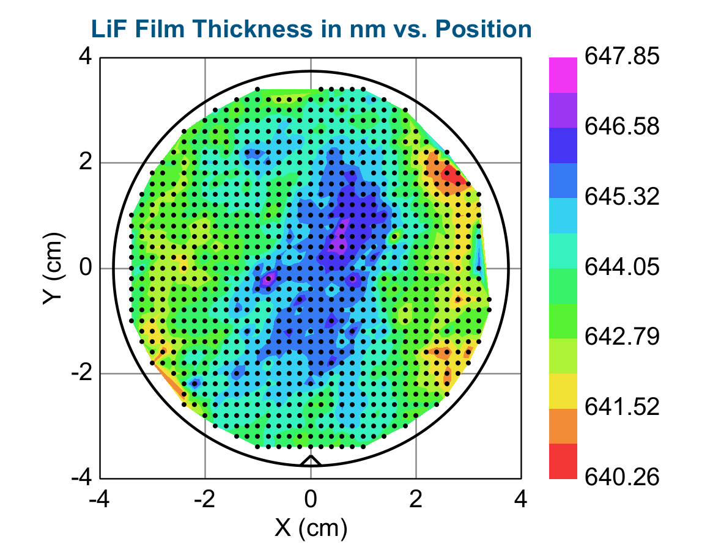
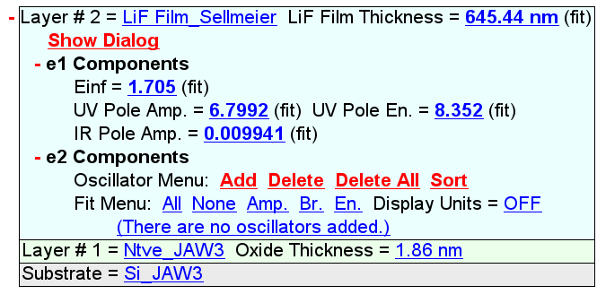
X (cm) | Y (cm) | Thickness, nm | n @ 632.8 nm
1.0 | 3.4 | 644.36 | 1.347
0.8 | 3.4 | 644.66 | 1.346
0.6 | 3.4 | 643.71 | 1.348
0.4 | 3.4 | 644.15 | 1.348
0.2 | 3.4 | 643.03 | 1.349
-1.0 | 3.4 | 643.54 | 1.350
-1.4 | 3.2 | 643.28 | 1.350
-1.2 | 3.2 | 644.00 | 1.347
-1.0 | 3.2 | 643.68 | 1.348
-0.8 | 3.2 | 643.12 | 1.350
-0.6 | 3.2 | 642.27 | 1.352
-0.4 | 3.2 | 642.34 | 1.351
-0.2 | 3.2 | 642.88 | 1.349
0.0 | 3.2 | 644.10 | 1.347
0.2 | 3.2 | 643.72 | 1.347
0.4 | 3.2 | 644.15 | 1.346
0.6 | 3.2 | 644.34 | 1.346
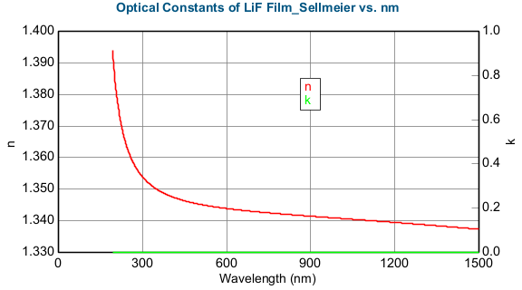
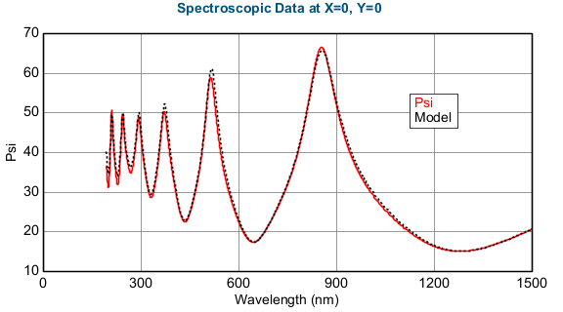
0.8 | 3.2 | 644.23 | 1.346
1.0 | 3.2 | 644.72 | 1.345
1.2 | 3.2 | 645.04 | 1.345
1.4 | 3.2 | 644.26 | 1.346
1.8 | 3.0 | 643.11 | 1.348
1.6 | 3.0 | 643.97 | 1.345
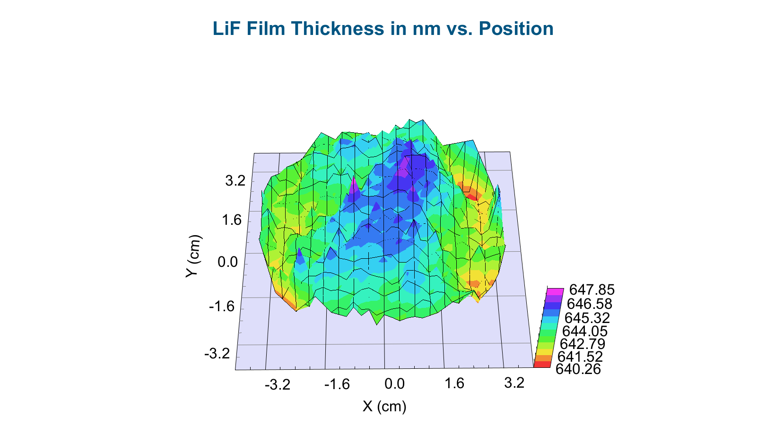
1.4 | 3.0 | 644.46 | 1.345
1.2 | 3.0 | 644.03 | 1.346
1.0 | 3.0 | 644.23 | 1.345
0.8 | 3.0 | 644.25 | 1.345
0.6 | 3.0 | 643.81 | 1.346
0.4 | 3.0 | 644.08 | 1.346
0.2 | 3.0 | 644.21 | 1.345
0.0 | 3.0 | 644.30 | 1.345
-0.2 | 3.0 | 643.95 | 1.347
-0.4 | 3.0 | 643.36 | 1.348
-0.6 | 3.0 | 643.81 | 1.348
-0.8 | 3.0 | 643.79 | 1.348
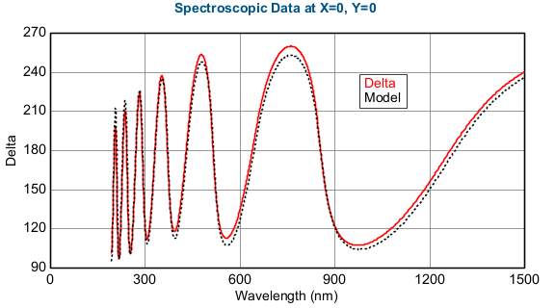
-1.0 | 3.0 | 643.38 | 1.348 |  | Refractive Index of LiF Film_Sellmeier Model. X=0, Y=0
-1.2 | 3.0 | 643.55 | 1.348 |  | Wavelength (nm) | n | k
-1.4 | 3.0 | 642.66 | 1.352 |  | 193 | 1.394 | 0
-1.6 | 3.0 | 643.65 | 1.350 |  | 194 | 1.393 | 0
-1.8 | 3.0 | 644.37 | 1.348 |  | 195 | 1.391 | 0
-2.0 | 2.8 | 643.39 | 1.350 |  | 196 | 1.390 | 0
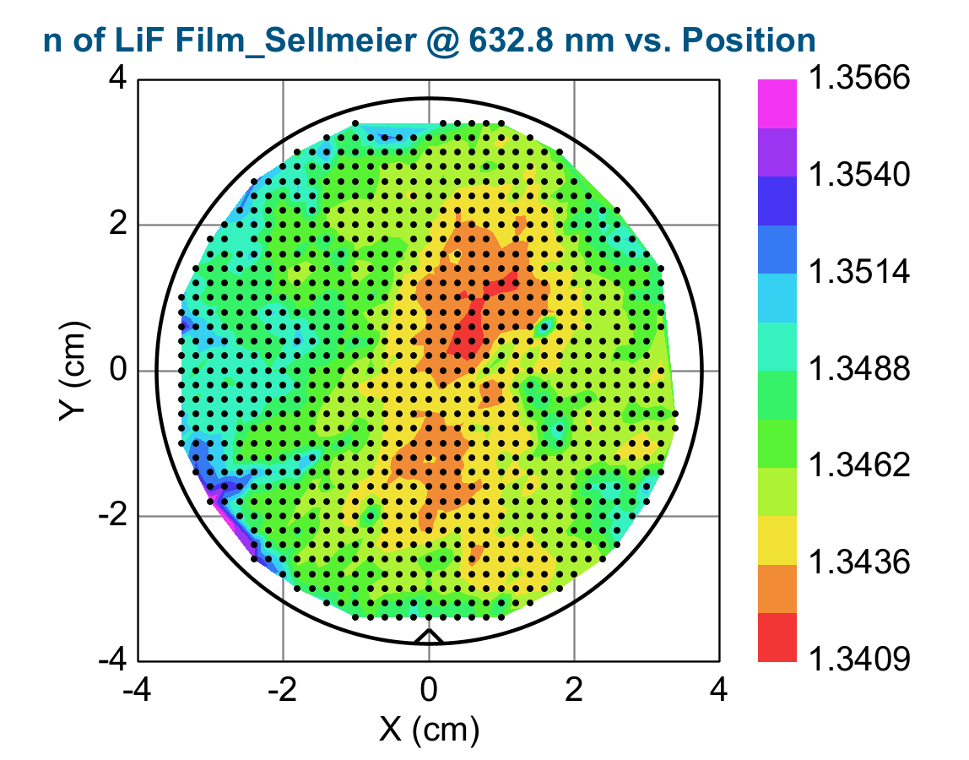
-1.8 | 2.8 | 643.75 | 1.349 |  | 197 | 1.389 | 0
-1.6 | 2.8 | 643.71 | 1.348 |  | 198 | 1.388 | 0
-1.4 | 2.8 | 643.61 | 1.349 |  | 199 | 1.387 | 0
-1.2 | 2.8 | 644.14 | 1.346 |  | 200 | 1.386 | 0
-1.0 | 2.8 | 643.92 | 1.346 |  | 201 | 1.385 | 0
-0.8 | 2.8 | 644.39 | 1.347 |  | 202 | 1.384 | 0
-0.6 | 2.8 | 644.61 | 1.346 |  | 203 | 1.383 | 0
-0.4 | 2.8 | 644.78 | 1.345 |  | 204 | 1.383 | 0
-0.2 | 2.8 | 643.98 | 1.346 |  | 205 | 1.382 | 0
0.0 | 2.8 | 644.33 | 1.346 |  | 206 | 1.381 | 0
0.2 | 2.8 | 644.04 | 1.346 |  | 207 | 1.380 | 0
0.4 | 2.8 | 644.24 | 1.346 |  | 208 | 1.379 | 0
0.6 | 2.8 | 644.34 | 1.345 |  | 209 | 1.379 | 0
0.8 | 2.8 | 643.79 | 1.347 |  | 210 | 1.378 | 0
1.0 | 2.8 | 643.29 | 1.346 |  | 211 | 1.377 | 0
1.2 | 2.8 | 643.70 | 1.346 |  | 212 | 1.377 | 0
1.4 | 2.8 | 644.24 | 1.345 |  | 213 | 1.376 | 0
1.6 | 2.8 | 643.80 | 1.345 |  | 214 | 1.376 | 0
1.8 | 2.8 | 643.14 | 1.346 |  | 215 | 1.375 | 0
2.0 | 2.6 | 642.29 | 1.347 |  | 216 | 1.374 | 0
1.8 | 2.6 | 643.35 | 1.346 |  | 217 | 1.374 | 0
1.6 | 2.6 | 643.91 | 1.345 |  | 218 | 1.373 | 0
1.4 | 2.6 | 644.36 | 1.345 |  | 219 | 1.373 | 0
1.2 | 2.6 | 644.29 | 1.345 |  | 220 | 1.372 | 0
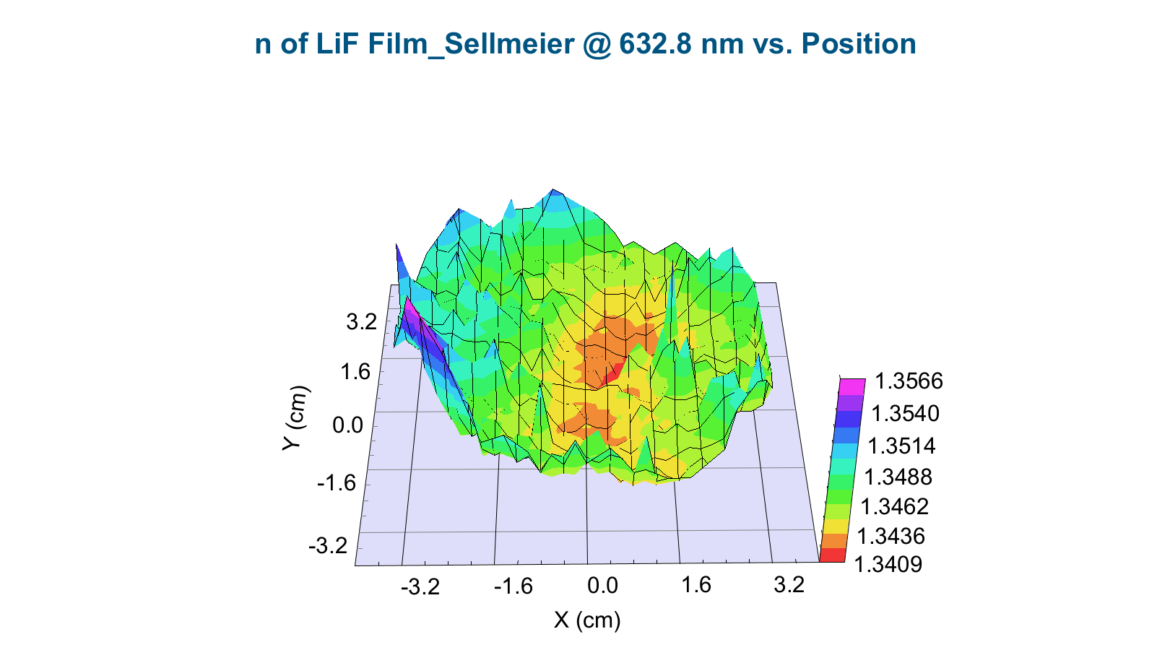
1.0 | 2.6 | 644.09 | 1.345 |  | 221 | 1.372 | 0
0.8 | 2.6 | 644.42 | 1.345 |  | 222 | 1.371 | 0
0.6 | 2.6 | 644.55 | 1.345 |  | 223 | 1.371 | 0
0.4 | 2.6 | 644.37 | 1.345 |  | 224 | 1.370 | 0
0.2 | 2.6 | 643.85 | 1.346 |  | 225 | 1.370 | 0
0.0 | 2.6 | 644.02 | 1.346 |  | 226 | 1.370 | 0
-0.2 | 2.6 | 644.43 | 1.346 |  | 227 | 1.369 | 0
-0.4 | 2.6 | 644.51 | 1.345 |  | 228 | 1.369 | 0
-0.6 | 2.6 | 644.85 | 1.346 |  | 229 | 1.368 | 0
-0.8 | 2.6 | 644.25 | 1.347 |  | 230 | 1.368 | 0
-1.0 | 2.6 | 644.42 | 1.347 |  | 231 | 1.368 | 0
-1.2 | 2.6 | 644.66 | 1.347 |  | 232 | 1.367 | 0
-1.4 | 2.6 | 644.30 | 1.346 |  | 233 | 1.367 | 0
-1.6 | 2.6 | 643.38 | 1.348 |  | 234 | 1.366 | 0
-1.8 | 2.6 | 642.89 | 1.350 |  | 235 | 1.366 | 0
-2.0 | 2.6 | 643.76 | 1.349 |  | 236 | 1.366 | 0
-2.2 | 2.6 | 643.14 | 1.350 |  | 237 | 1.365 | 0
-2.4 | 2.6 | 642.84 | 1.352 |  | 238 | 1.365 | 0
-2.4 | 2.4 | 643.28 | 1.350 |  | 239 | 1.365 | 0
-2.2 | 2.4 | 643.68 | 1.349 |  | 240 | 1.365 | 0
-2.0 | 2.4 | 643.78 | 1.348 |  | 241 | 1.364 | 0
-1.8 | 2.4 | 643.09 | 1.350 |  | 242 | 1.364 | 0
-1.6 | 2.4 | 643.14 | 1.350 |  | 243 | 1.364 | 0
-1.4 | 2.4 | 644.12 | 1.346 |  | 244 | 1.363 | 0
-1.2 | 2.4 | 644.55 | 1.347 |  | 245 | 1.363 | 0
-1.0 | 2.4 | 644.76 | 1.346 |  | 246 | 1.363 | 0
-0.8 | 2.4 | 644.59 | 1.347 |  | 247 | 1.363 | 0
-0.6 | 2.4 | 645.08 | 1.345 |  | 248 | 1.362 | 0
-0.4 | 2.4 | 644.78 | 1.345 |  | 249 | 1.362 | 0
-0.2 | 2.4 | 645.23 | 1.345 |  | 250 | 1.362 | 0
0.0 | 2.4 | 644.05 | 1.346 |  | 251 | 1.362 | 0
0.2 | 2.4 | 644.36 | 1.345 |  | 252 | 1.361 | 0
0.4 | 2.4 | 644.90 | 1.345 |  | 253 | 1.361 | 0
0.6 | 2.4 | 644.95 | 1.345 |  | 254 | 1.361 | 0
0.8 | 2.4 | 644.66 | 1.345 |  | 255 | 1.361 | 0
1.0 | 2.4 | 645.07 | 1.344 |  | 256 | 1.361 | 0
1.2 | 2.4 | 643.91 | 1.346 |  | 257 | 1.360 | 0
1.4 | 2.4 | 644.57 | 1.344 |  | 258 | 1.360 | 0
1.6 | 2.4 | 643.47 | 1.346 |  | 259 | 1.360 | 0
1.8 | 2.4 | 642.37 | 1.347 |  | 260 | 1.360 | 0
2.0 | 2.4 | 642.47 | 1.347 |  | 261 | 1.359 | 0
2.2 | 2.4 | 643.34 | 1.348 |  | 262 | 1.359 | 0
2.6 | 2.2 | 645.39 | 1.347 |  | 263 | 1.359 | 0
2.4 | 2.2 | 641.27 | 1.349 |  | 264 | 1.359 | 0
2.2 | 2.2 | 641.66 | 1.348 |  | 265 | 1.359 | 0
2.0 | 2.2 | 642.40 | 1.347 |  | 266 | 1.359 | 0
1.8 | 2.2 | 643.38 | 1.345 |  | 267 | 1.358 | 0
1.6 | 2.2 | 644.25 | 1.344 |  | 268 | 1.358 | 0
1.4 | 2.2 | 644.64 | 1.344 |  | 269 | 1.358 | 0
1.2 | 2.2 | 645.02 | 1.344 |  | 270 | 1.358 | 0
1.0 | 2.2 | 645.47 | 1.344 |  | 271 | 1.358 | 0
0.8 | 2.2 | 644.98 | 1.344 |  | 272 | 1.358 | 0
0.6 | 2.2 | 645.32 | 1.344 |  | 273 | 1.357 | 0
0.4 | 2.2 | 645.65 | 1.343 |  | 274 | 1.357 | 0
0.2 | 2.2 | 644.96 | 1.344 |  | 275 | 1.357 | 0
0.0 | 2.2 | 644.30 | 1.346 |  | 276 | 1.357 | 0
-0.2 | 2.2 | 644.64 | 1.345 |  | 277 | 1.357 | 0
-0.4 | 2.2 | 644.72 | 1.345 |  | 278 | 1.357 | 0
-0.6 | 2.2 | 644.84 | 1.346 |  | 279 | 1.356 | 0
-0.8 | 2.2 | 645.26 | 1.346 |  | 280 | 1.356 | 0
-1.0 | 2.2 | 645.51 | 1.345 |  | 281 | 1.356 | 0
-1.2 | 2.2 | 645.59 | 1.345 |  | 282 | 1.356 | 0
-1.4 | 2.2 | 644.56 | 1.346 |  | 283 | 1.356 | 0
-1.6 | 2.2 | 643.30 | 1.350 |  | 284 | 1.356 | 0
-1.8 | 2.2 | 644.44 | 1.347 |  | 285 | 1.356 | 0
-2.0 | 2.2 | 644.50 | 1.346 |  | 286 | 1.356 | 0
-2.2 | 2.2 | 643.53 | 1.348 |  | 287 | 1.355 | 0
-2.4 | 2.2 | 642.96 | 1.350 |  | 288 | 1.355 | 0
-2.6 | 2.2 | 642.48 | 1.352 |  | 289 | 1.355 | 0
-2.8 | 2.0 | 643.51 | 1.350 |  | 290 | 1.355 | 0
-2.6 | 2.0 | 643.67 | 1.350 |  | 291 | 1.355 | 0
-2.4 | 2.0 | 642.31 | 1.350 |  | 292 | 1.355 | 0
-2.2 | 2.0 | 643.23 | 1.348 |  | 293 | 1.355 | 0
-2.0 | 2.0 | 644.77 | 1.347 |  | 294 | 1.355 | 0
-1.8 | 2.0 | 644.73 | 1.346 |  | 295 | 1.354 | 0
-1.6 | 2.0 | 644.51 | 1.347 |  | 296 | 1.354 | 0
-1.4 | 2.0 | 644.31 | 1.346 |  | 297 | 1.354 | 0
-1.2 | 2.0 | 645.16 | 1.345 |  | 298 | 1.354 | 0
-1.0 | 2.0 | 645.24 | 1.345 |  | 299 | 1.354 | 0
-0.8 | 2.0 | 645.42 | 1.345 |  | 300 | 1.354 | 0
-0.6 | 2.0 | 644.75 | 1.346 |  | 301 | 1.354 | 0
-0.4 | 2.0 | 644.32 | 1.346 |  | 302 | 1.354 | 0
-0.2 | 2.0 | 644.42 | 1.346 |  | 303 | 1.354 | 0
0.0 | 2.0 | 644.71 | 1.345 |  | 304 | 1.353 | 0
0.2 | 2.0 | 645.01 | 1.344 |  | 305 | 1.353 | 0
0.4 | 2.0 | 645.53 | 1.344 |  | 306 | 1.353 | 0
0.6 | 2.0 | 645.34 | 1.343 |  | 307 | 1.353 | 0
0.8 | 2.0 | 645.15 | 1.344 |  | 308 | 1.353 | 0
1.0 | 2.0 | 644.66 | 1.345 |  | 309 | 1.353 | 0
1.2 | 2.0 | 645.28 | 1.343 |  | 310 | 1.353 | 0
1.4 | 2.0 | 644.62 | 1.344 |  | 311 | 1.353 | 0
1.6 | 2.0 | 644.33 | 1.344 |  | 312 | 1.353 | 0
1.8 | 2.0 | 643.26 | 1.345 |  | 313 | 1.353 | 0
2.0 | 2.0 | 642.24 | 1.349 |  | 314 | 1.353 | 0
2.2 | 2.0 | 641.49 | 1.348 |  | 315 | 1.352 | 0
2.4 | 2.0 | 641.05 | 1.349 |  | 316 | 1.352 | 0
2.6 | 2.0 | 641.03 | 1.349 |  | 317 | 1.352 | 0
2.8 | 1.8 | 640.26 | 1.350 |  | 318 | 1.352 | 0
2.6 | 1.8 | 640.32 | 1.350 |  | 319 | 1.352 | 0
2.4 | 1.8 | 641.16 | 1.349 |  | 320 | 1.352 | 0
2.2 | 1.8 | 641.37 | 1.348 |  | 321 | 1.352 | 0
2.0 | 1.8 | 643.38 | 1.345 |  | 322 | 1.352 | 0
1.8 | 1.8 | 643.46 | 1.345 |  | 323 | 1.352 | 0
1.6 | 1.8 | 644.43 | 1.344 |  | 324 | 1.352 | 0
1.4 | 1.8 | 644.64 | 1.344 |  | 325 | 1.352 | 0
1.2 | 1.8 | 644.86 | 1.344 |  | 326 | 1.352 | 0
0.8 | 1.8 | 646.35 | 1.342 |  | 327 | 1.352 | 0
0.6 | 1.8 | 645.95 | 1.343 |  | 328 | 1.351 | 0
0.4 | 1.8 | 645.61 | 1.343 |  | 329 | 1.351 | 0
0.2 | 1.8 | 645.24 | 1.344 |  | 330 | 1.351 | 0
0.0 | 1.8 | 644.59 | 1.345 |  | 331 | 1.351 | 0
-0.2 | 1.8 | 644.04 | 1.346 |  | 332 | 1.351 | 0
-0.6 | 1.8 | 644.23 | 1.346 |  | 333 | 1.351 | 0
-0.8 | 1.8 | 644.61 | 1.346 |  | 334 | 1.351 | 0
-1.0 | 1.8 | 644.90 | 1.345 |  | 335 | 1.351 | 0
-1.2 | 1.8 | 644.33 | 1.346 |  | 336 | 1.351 | 0
-1.4 | 1.8 | 643.72 | 1.349 |  | 337 | 1.351 | 0
-1.6 | 1.8 | 643.95 | 1.347 |  | 338 | 1.351 | 0
-1.8 | 1.8 | 644.20 | 1.347 |  | 339 | 1.351 | 0
-2.0 | 1.8 | 643.81 | 1.347 |  | 340 | 1.351 | 0
-2.2 | 1.8 | 643.62 | 1.347 |  | 341 | 1.351 | 0
-2.4 | 1.8 | 642.71 | 1.349 |  | 342 | 1.351 | 0
-2.8 | 1.8 | 643.00 | 1.350 |  | 343 | 1.350 | 0
-3.0 | 1.8 | 643.35 | 1.350 |  | 344 | 1.350 | 0
-3.0 | 1.6 | 643.14 | 1.349 |  | 345 | 1.350 | 0
-2.8 | 1.6 | 643.27 | 1.348 |  | 346 | 1.350 | 0
-2.6 | 1.6 | 642.93 | 1.349 |  | 347 | 1.350 | 0
-2.4 | 1.6 | 642.38 | 1.351 |  | 348 | 1.350 | 0
-2.2 | 1.6 | 643.72 | 1.347 |  | 349 | 1.350 | 0
-2.0 | 1.6 | 644.28 | 1.347 |  | 350 | 1.350 | 0
-1.8 | 1.6 | 643.63 | 1.348 |  | 351 | 1.350 | 0
-1.6 | 1.6 | 644.25 | 1.347 |  | 352 | 1.350 | 0
-1.4 | 1.6 | 644.68 | 1.347 |  | 353 | 1.350 | 0
-1.2 | 1.6 | 643.61 | 1.349 |  | 354 | 1.350 | 0
-1.0 | 1.6 | 644.63 | 1.346 |  | 355 | 1.350 | 0
-0.8 | 1.6 | 643.91 | 1.346 |  | 356 | 1.350 | 0
-0.6 | 1.6 | 643.30 | 1.347 |  | 357 | 1.350 | 0
-0.4 | 1.6 | 643.74 | 1.347 |  | 358 | 1.350 | 0
-0.2 | 1.6 | 644.28 | 1.345 |  | 359 | 1.350 | 0
0.0 | 1.6 | 644.78 | 1.344 |  | 360 | 1.349 | 0
0.2 | 1.6 | 645.42 | 1.343 |  | 361 | 1.349 | 0
0.4 | 1.6 | 645.82 | 1.344 |  | 362 | 1.349 | 0
0.6 | 1.6 | 645.71 | 1.343 |  | 363 | 1.349 | 0
0.8 | 1.6 | 646.05 | 1.343 |  | 364 | 1.349 | 0
1.0 | 1.6 | 645.48 | 1.343 |  | 365 | 1.349 | 0
1.2 | 1.6 | 645.45 | 1.343 |  | 366 | 1.349 | 0
1.4 | 1.6 | 644.85 | 1.344 |  | 367 | 1.349 | 0
1.6 | 1.6 | 644.29 | 1.344 |  | 368 | 1.349 | 0
1.8 | 1.6 | 644.00 | 1.345 |  | 369 | 1.349 | 0
2.0 | 1.6 | 643.02 | 1.346 |  | 370 | 1.349 | 0
2.2 | 1.6 | 641.98 | 1.347 |  | 371 | 1.349 | 0
2.4 | 1.6 | 641.31 | 1.348 |  | 372 | 1.349 | 0
2.6 | 1.6 | 641.08 | 1.348 |  | 373 | 1.349 | 0
2.8 | 1.6 | 640.79 | 1.349 |  | 374 | 1.349 | 0
3.0 | 1.6 | 640.94 | 1.349 |  | 375 | 1.349 | 0
3.2 | 1.4 | 642.90 | 1.348 |  | 376 | 1.349 | 0
3.0 | 1.4 | 642.48 | 1.347 |  | 377 | 1.349 | 0
2.8 | 1.4 | 641.64 | 1.347 |  | 378 | 1.349 | 0
2.6 | 1.4 | 641.36 | 1.347 |  | 379 | 1.349 | 0
2.4 | 1.4 | 641.74 | 1.347 |  | 380 | 1.349 | 0
2.2 | 1.4 | 642.47 | 1.346 |  | 381 | 1.349 | 0
2.0 | 1.4 | 644.08 | 1.345 |  | 382 | 1.348 | 0
1.8 | 1.4 | 643.73 | 1.345 |  | 383 | 1.348 | 0
1.6 | 1.4 | 643.69 | 1.345 |  | 384 | 1.348 | 0
1.4 | 1.4 | 644.80 | 1.344 |  | 385 | 1.348 | 0
1.2 | 1.4 | 646.09 | 1.342 |  | 386 | 1.348 | 0
1.0 | 1.4 | 645.76 | 1.343 |  | 387 | 1.348 | 0
0.8 | 1.4 | 646.08 | 1.343 |  | 388 | 1.348 | 0
0.6 | 1.4 | 646.34 | 1.342 |  | 389 | 1.348 | 0
0.4 | 1.4 | 645.33 | 1.343 |  | 390 | 1.348 | 0
0.2 | 1.4 | 645.48 | 1.343 |  | 391 | 1.348 | 0
0.0 | 1.4 | 645.12 | 1.344 |  | 392 | 1.348 | 0
-0.2 | 1.4 | 645.22 | 1.345 |  | 393 | 1.348 | 0
-0.4 | 1.4 | 644.20 | 1.346 |  | 394 | 1.348 | 0
-0.6 | 1.4 | 643.59 | 1.347 |  | 395 | 1.348 | 0
-0.8 | 1.4 | 644.09 | 1.346 |  | 396 | 1.348 | 0
-1.0 | 1.4 | 644.68 | 1.346 |  | 397 | 1.348 | 0
-1.2 | 1.4 | 643.93 | 1.348 |  | 398 | 1.348 | 0
-1.4 | 1.4 | 644.40 | 1.347 |  | 399 | 1.348 | 0
-1.6 | 1.4 | 644.41 | 1.346 |  | 400 | 1.348 | 0
-1.8 | 1.4 | 644.63 | 1.345 |  | 401 | 1.348 | 0
-2.0 | 1.4 | 644.31 | 1.347 |  | 402 | 1.348 | 0
-2.2 | 1.4 | 643.57 | 1.348 |  | 403 | 1.348 | 0
-2.4 | 1.4 | 643.38 | 1.348 |  | 404 | 1.348 | 0
-2.6 | 1.4 | 642.59 | 1.349 |  | 405 | 1.348 | 0
-2.8 | 1.4 | 642.72 | 1.349 |  | 406 | 1.348 | 0
-3.0 | 1.4 | 643.35 | 1.348 |  | 407 | 1.348 | 0
-3.2 | 1.4 | 644.02 | 1.349 |  | 408 | 1.348 | 0
-3.2 | 1.2 | 643.55 | 1.349 |  | 409 | 1.347 | 0
-3.0 | 1.2 | 642.68 | 1.349 |  | 410 | 1.347 | 0
-2.8 | 1.2 | 642.84 | 1.348 |  | 411 | 1.347 | 0
-2.6 | 1.2 | 642.86 | 1.348 |  | 412 | 1.347 | 0
-2.4 | 1.2 | 643.34 | 1.348 |  | 413 | 1.347 | 0
-2.2 | 1.2 | 643.48 | 1.348 |  | 414 | 1.347 | 0
-2.0 | 1.2 | 643.71 | 1.346 |  | 415 | 1.347 | 0
-1.8 | 1.2 | 644.08 | 1.346 |  | 416 | 1.347 | 0
-1.6 | 1.2 | 643.89 | 1.347 |  | 417 | 1.347 | 0
-1.4 | 1.2 | 644.73 | 1.346 |  | 418 | 1.347 | 0
-1.2 | 1.2 | 644.56 | 1.347 |  | 419 | 1.347 | 0
-1.0 | 1.2 | 644.74 | 1.346 |  | 420 | 1.347 | 0
-0.8 | 1.2 | 643.51 | 1.347 |  | 421 | 1.347 | 0
-0.6 | 1.2 | 643.31 | 1.347 |  | 422 | 1.347 | 0
-0.4 | 1.2 | 644.56 | 1.345 |  | 423 | 1.347 | 0
-0.2 | 1.2 | 645.48 | 1.344 |  | 424 | 1.347 | 0
0.0 | 1.2 | 645.60 | 1.343 |  | 425 | 1.347 | 0
0.2 | 1.2 | 645.09 | 1.343 |  | 426 | 1.347 | 0
0.4 | 1.2 | 645.46 | 1.343 |  | 427 | 1.347 | 0
0.6 | 1.2 | 646.26 | 1.342 |  | 428 | 1.347 | 0
0.8 | 1.2 | 646.32 | 1.342 |  | 429 | 1.347 | 0
1.0 | 1.2 | 646.33 | 1.342 |  | 430 | 1.347 | 0
1.2 | 1.2 | 646.22 | 1.342 |  | 431 | 1.347 | 0
1.4 | 1.2 | 645.57 | 1.343 |  | 432 | 1.347 | 0
1.6 | 1.2 | 644.85 | 1.343 |  | 433 | 1.347 | 0
1.8 | 1.2 | 644.33 | 1.344 |  | 434 | 1.347 | 0
2.0 | 1.2 | 643.67 | 1.345 |  | 435 | 1.347 | 0
2.2 | 1.2 | 643.51 | 1.345 |  | 436 | 1.347 | 0
2.4 | 1.2 | 642.51 | 1.346 |  | 437 | 1.347 | 0
2.6 | 1.2 | 642.15 | 1.346 |  | 438 | 1.347 | 0
2.8 | 1.2 | 641.70 | 1.347 |  | 439 | 1.347 | 0
3.0 | 1.2 | 642.09 | 1.347 |  | 440 | 1.347 | 0
3.2 | 1.2 | 641.48 | 1.349 |  | 441 | 1.347 | 0
3.2 | 1.0 | 641.88 | 1.348 |  | 442 | 1.347 | 0
3.0 | 1.0 | 641.56 | 1.348 |  | 443 | 1.346 | 0
2.8 | 1.0 | 641.45 | 1.348 |  | 444 | 1.346 | 0
2.6 | 1.0 | 642.66 | 1.345 |  | 445 | 1.346 | 0
2.4 | 1.0 | 642.92 | 1.345 |  | 446 | 1.346 | 0
2.2 | 1.0 | 643.49 | 1.345 |  | 447 | 1.346 | 0
2.0 | 1.0 | 644.22 | 1.344 |  | 448 | 1.346 | 0
1.8 | 1.0 | 644.43 | 1.345 |  | 449 | 1.346 | 0
1.6 | 1.0 | 645.10 | 1.343 |  | 450 | 1.346 | 0
1.4 | 1.0 | 646.40 | 1.342 |  | 451 | 1.346 | 0
1.2 | 1.0 | 646.09 | 1.342 |  | 452 | 1.346 | 0
1.0 | 1.0 | 646.21 | 1.342 |  | 453 | 1.346 | 0
0.8 | 1.0 | 646.43 | 1.342 |  | 454 | 1.346 | 0
0.6 | 1.0 | 646.12 | 1.342 |  | 455 | 1.346 | 0
0.4 | 1.0 | 646.21 | 1.342 |  | 456 | 1.346 | 0
0.2 | 1.0 | 645.59 | 1.343 |  | 457 | 1.346 | 0
0.0 | 1.0 | 645.47 | 1.343 |  | 458 | 1.346 | 0
-0.2 | 1.0 | 645.48 | 1.344 |  | 459 | 1.346 | 0
-0.4 | 1.0 | 645.04 | 1.344 |  | 460 | 1.346 | 0
-0.6 | 1.0 | 643.63 | 1.347 |  | 461 | 1.346 | 0
-0.8 | 1.0 | 642.89 | 1.348 |  | 462 | 1.346 | 0
-1.0 | 1.0 | 644.20 | 1.346 |  | 463 | 1.346 | 0
-1.2 | 1.0 | 643.59 | 1.348 |  | 464 | 1.346 | 0
-1.4 | 1.0 | 643.36 | 1.349 |  | 465 | 1.346 | 0
-1.6 | 1.0 | 644.04 | 1.347 |  | 466 | 1.346 | 0
-1.8 | 1.0 | 643.50 | 1.347 |  | 467 | 1.346 | 0
-2.0 | 1.0 | 642.98 | 1.348 |  | 468 | 1.346 | 0
-2.2 | 1.0 | 643.49 | 1.348 |  | 469 | 1.346 | 0
-2.4 | 1.0 | 643.54 | 1.348 |  | 470 | 1.346 | 0
-2.6 | 1.0 | 643.09 | 1.348 |  | 471 | 1.346 | 0
-2.8 | 1.0 | 642.89 | 1.348 |  | 472 | 1.346 | 0
-3.0 | 1.0 | 642.70 | 1.348 |  | 473 | 1.346 | 0
-3.2 | 1.0 | 643.06 | 1.349 |  | 474 | 1.346 | 0
-3.4 | 1.0 | 643.67 | 1.351 |  | 475 | 1.346 | 0
-3.4 | 0.8 | 643.22 | 1.351 |  | 476 | 1.346 | 0
-3.2 | 0.8 | 642.74 | 1.350 |  | 477 | 1.346 | 0
-3.0 | 0.8 | 643.01 | 1.349 |  | 478 | 1.346 | 0
-2.8 | 0.8 | 642.92 | 1.348 |  | 479 | 1.346 | 0
-2.6 | 0.8 | 643.09 | 1.349 |  | 480 | 1.346 | 0
-2.4 | 0.8 | 643.15 | 1.349 |  | 481 | 1.346 | 0
-2.2 | 0.8 | 642.21 | 1.351 |  | 482 | 1.346 | 0
-2.0 | 0.8 | 642.08 | 1.350 |  | 483 | 1.346 | 0
-1.8 | 0.8 | 643.49 | 1.348 |  | 484 | 1.346 | 0
-1.6 | 0.8 | 643.68 | 1.348 |  | 485 | 1.346 | 0
-1.4 | 0.8 | 643.44 | 1.348 |  | 486 | 1.346 | 0
-1.2 | 0.8 | 643.56 | 1.348 |  | 487 | 1.346 | 0
-1.0 | 0.8 | 643.98 | 1.347 |  | 488 | 1.346 | 0
-0.8 | 0.8 | 644.41 | 1.346 |  | 489 | 1.345 | 0
-0.6 | 0.8 | 644.13 | 1.346 |  | 490 | 1.345 | 0
-0.4 | 0.8 | 645.30 | 1.344 |  | 491 | 1.345 | 0
-0.2 | 0.8 | 645.26 | 1.344 |  | 492 | 1.345 | 0
0.0 | 0.8 | 645.30 | 1.343 |  | 493 | 1.345 | 0
0.2 | 0.8 | 645.39 | 1.343 |  | 494 | 1.345 | 0
0.4 | 0.8 | 645.16 | 1.344 |  | 495 | 1.345 | 0
0.6 | 0.8 | 647.12 | 1.342 |  | 496 | 1.345 | 0
0.8 | 0.8 | 646.03 | 1.343 |  | 497 | 1.345 | 0
1.0 | 0.8 | 646.04 | 1.343 |  | 498 | 1.345 | 0
1.2 | 0.8 | 645.88 | 1.343 |  | 499 | 1.345 | 0
1.4 | 0.8 | 645.74 | 1.343 |  | 500 | 1.345 | 0
1.6 | 0.8 | 645.12 | 1.343 |  | 501 | 1.345 | 0
1.8 | 0.8 | 644.68 | 1.344 |  | 502 | 1.345 | 0
2.0 | 0.8 | 644.27 | 1.344 |  | 503 | 1.345 | 0
2.2 | 0.8 | 644.24 | 1.345 |  | 504 | 1.345 | 0
2.4 | 0.8 | 642.92 | 1.345 |  | 505 | 1.345 | 0
2.6 | 0.8 | 642.68 | 1.345 |  | 506 | 1.345 | 0
2.8 | 0.8 | 641.89 | 1.347 |  | 507 | 1.345 | 0
3.0 | 0.8 | 641.85 | 1.347 |  | 508 | 1.345 | 0
3.2 | 0.8 | 644.22 | 1.346 |  | 509 | 1.345 | 0
3.2 | 0.6 | 645.08 | 1.346 |  | 510 | 1.345 | 0
3.0 | 0.6 | 641.94 | 1.347 |  | 511 | 1.345 | 0
2.8 | 0.6 | 641.94 | 1.346 |  | 512 | 1.345 | 0
2.6 | 0.6 | 642.79 | 1.345 |  | 513 | 1.345 | 0
2.2 | 0.6 | 643.75 | 1.345 |  | 514 | 1.345 | 0
2.0 | 0.6 | 644.00 | 1.345 |  | 515 | 1.345 | 0
1.8 | 0.6 | 644.48 | 1.344 |  | 516 | 1.345 | 0
1.6 | 0.6 | 641.52 | 1.353 |  | 517 | 1.345 | 0
1.4 | 0.6 | 645.75 | 1.343 |  | 518 | 1.345 | 0
1.2 | 0.6 | 645.86 | 1.343 |  | 519 | 1.345 | 0
1.0 | 0.6 | 646.26 | 1.343 |  | 520 | 1.345 | 0
0.8 | 0.6 | 646.11 | 1.343 |  | 521 | 1.345 | 0
0.6 | 0.6 | 646.71 | 1.342 |  | 522 | 1.345 | 0
0.4 | 0.6 | 646.41 | 1.342 |  | 523 | 1.345 | 0
0.2 | 0.6 | 645.53 | 1.343 |  | 524 | 1.345 | 0
0.0 | 0.6 | 645.40 | 1.343 |  | 525 | 1.345 | 0
-0.2 | 0.6 | 645.03 | 1.344 |  | 526 | 1.345 | 0
-0.4 | 0.6 | 645.62 | 1.344 |  | 527 | 1.345 | 0
-0.6 | 0.6 | 644.15 | 1.345 |  | 528 | 1.345 | 0
-0.8 | 0.6 | 644.13 | 1.346 |  | 529 | 1.345 | 0
-1.0 | 0.6 | 643.73 | 1.347 |  | 530 | 1.345 | 0
-1.2 | 0.6 | 643.63 | 1.348 |  | 531 | 1.345 | 0
-1.4 | 0.6 | 643.38 | 1.348 |  | 532 | 1.345 | 0
-1.6 | 0.6 | 643.17 | 1.349 |  | 533 | 1.345 | 0
-1.8 | 0.6 | 642.98 | 1.350 |  | 534 | 1.345 | 0
-2.0 | 0.6 | 642.34 | 1.350 |  | 535 | 1.345 | 0
-2.2 | 0.6 | 642.36 | 1.349 |  | 536 | 1.345 | 0
-2.4 | 0.6 | 643.54 | 1.347 |  | 537 | 1.345 | 0
-2.6 | 0.6 | 643.38 | 1.348 |  | 538 | 1.345 | 0
-2.8 | 0.6 | 642.60 | 1.349 |  | 539 | 1.345 | 0
-3.0 | 0.6 | 642.45 | 1.350 |  | 540 | 1.345 | 0
-3.2 | 0.6 | 642.47 | 1.351 |  | 541 | 1.345 | 0
-3.4 | 0.6 | 644.67 | 1.354 |  | 542 | 1.345 | 0
-3.4 | 0.4 | 644.04 | 1.349 |  | 543 | 1.345 | 0
-3.2 | 0.4 | 643.18 | 1.350 |  | 544 | 1.345 | 0
-3.0 | 0.4 | 642.17 | 1.351 |  | 545 | 1.345 | 0
-2.8 | 0.4 | 642.02 | 1.351 |  | 546 | 1.345 | 0
-2.6 | 0.4 | 642.47 | 1.349 |  | 547 | 1.345 | 0
-2.4 | 0.4 | 642.67 | 1.348 |  | 548 | 1.345 | 0
-2.2 | 0.4 | 642.76 | 1.348 |  | 549 | 1.345 | 0
-2.0 | 0.4 | 643.06 | 1.349 |  | 550 | 1.345 | 0
-1.8 | 0.4 | 642.47 | 1.351 |  | 551 | 1.344 | 0
-1.6 | 0.4 | 642.77 | 1.349 |  | 552 | 1.344 | 0
-1.4 | 0.4 | 642.92 | 1.348 |  | 553 | 1.344 | 0
-1.2 | 0.4 | 643.74 | 1.347 |  | 554 | 1.344 | 0
-1.0 | 0.4 | 643.48 | 1.348 |  | 555 | 1.344 | 0
-0.8 | 0.4 | 643.58 | 1.348 |  | 556 | 1.344 | 0
-0.6 | 0.4 | 644.75 | 1.345 |  | 557 | 1.344 | 0
-0.4 | 0.4 | 645.25 | 1.344 |  | 558 | 1.344 | 0
-0.2 | 0.4 | 645.60 | 1.343 |  | 559 | 1.344 | 0
0.0 | 0.4 | 645.49 | 1.343 |  | 560 | 1.344 | 0
0.2 | 0.4 | 645.71 | 1.343 |  | 561 | 1.344 | 0
0.4 | 0.4 | 646.83 | 1.341 |  | 562 | 1.344 | 0
0.6 | 0.4 | 646.97 | 1.341 |  | 563 | 1.344 | 0
0.8 | 0.4 | 646.23 | 1.343 |  | 564 | 1.344 | 0
1.0 | 0.4 | 645.83 | 1.345 |  | 565 | 1.344 | 0
1.2 | 0.4 | 645.15 | 1.345 |  | 566 | 1.344 | 0
1.4 | 0.4 | 645.64 | 1.344 |  | 567 | 1.344 | 0
1.6 | 0.4 | 644.83 | 1.344 |  | 568 | 1.344 | 0
1.8 | 0.4 | 644.89 | 1.344 |  | 569 | 1.344 | 0
2.0 | 0.4 | 643.44 | 1.345 |  | 570 | 1.344 | 0
2.2 | 0.4 | 643.41 | 1.346 |  | 571 | 1.344 | 0
2.4 | 0.4 | 642.43 | 1.346 |  | 572 | 1.344 | 0
2.6 | 0.4 | 642.42 | 1.346 |  | 573 | 1.344 | 0
2.8 | 0.4 | 642.07 | 1.346 |  | 574 | 1.344 | 0
3.0 | 0.4 | 641.84 | 1.347 |  | 575 | 1.344 | 0
3.0 | 0.2 | 642.79 | 1.346 |  | 576 | 1.344 | 0
2.8 | 0.2 | 641.78 | 1.347 |  | 577 | 1.344 | 0
2.6 | 0.2 | 641.92 | 1.346 |  | 578 | 1.344 | 0
2.4 | 0.2 | 642.68 | 1.346 |  | 579 | 1.344 | 0
2.2 | 0.2 | 642.99 | 1.346 |  | 580 | 1.344 | 0
2.0 | 0.2 | 643.19 | 1.346 |  | 581 | 1.344 | 0
1.8 | 0.2 | 644.40 | 1.345 |  | 582 | 1.344 | 0
1.6 | 0.2 | 644.91 | 1.344 |  | 583 | 1.344 | 0
1.4 | 0.2 | 644.22 | 1.346 |  | 584 | 1.344 | 0
1.2 | 0.2 | 646.45 | 1.344 |  | 585 | 1.344 | 0
1.0 | 0.2 | 645.07 | 1.347 |  | 586 | 1.344 | 0
0.8 | 0.2 | 646.08 | 1.343 |  | 587 | 1.344 | 0
0.6 | 0.2 | 646.54 | 1.342 |  | 588 | 1.344 | 0
0.4 | 0.2 | 646.25 | 1.342 |  | 589 | 1.344 | 0
0.2 | 0.2 | 646.27 | 1.342 |  | 590 | 1.344 | 0
0.0 | 0.2 | 645.64 | 1.343 |  | 591 | 1.344 | 0
-0.2 | 0.2 | 645.09 | 1.344 |  | 592 | 1.344 | 0
-0.4 | 0.2 | 644.62 | 1.345 |  | 593 | 1.344 | 0
-0.6 | 0.2 | 645.50 | 1.345 |  | 594 | 1.344 | 0
-0.8 | 0.2 | 644.88 | 1.346 |  | 595 | 1.344 | 0
-1.0 | 0.2 | 644.25 | 1.347 |  | 596 | 1.344 | 0
-1.2 | 0.2 | 644.21 | 1.347 |  | 597 | 1.344 | 0
-1.4 | 0.2 | 642.96 | 1.348 |  | 598 | 1.344 | 0
-1.6 | 0.2 | 643.25 | 1.348 |  | 599 | 1.344 | 0
-1.8 | 0.2 | 643.07 | 1.349 |  | 600 | 1.344 | 0
-2.0 | 0.2 | 644.15 | 1.349 |  | 601 | 1.344 | 0
-2.2 | 0.2 | 642.87 | 1.348 |  | 602 | 1.344 | 0
-2.4 | 0.2 | 641.87 | 1.349 |  | 603 | 1.344 | 0
-2.6 | 0.2 | 641.99 | 1.350 |  | 604 | 1.344 | 0
-2.8 | 0.2 | 642.51 | 1.349 |  | 605 | 1.344 | 0
-3.0 | 0.2 | 643.21 | 1.349 |  | 606 | 1.344 | 0
-3.2 | 0.2 | 643.23 | 1.350 |  | 607 | 1.344 | 0
-3.4 | 0.2 | 643.93 | 1.349 |  | 608 | 1.344 | 0
-3.4 | 0.0 | 643.89 | 1.350 |  | 609 | 1.344 | 0
-3.2 | 0.0 | 644.52 | 1.348 |  | 610 | 1.344 | 0
-3.0 | 0.0 | 642.63 | 1.350 |  | 611 | 1.344 | 0
-2.8 | 0.0 | 642.75 | 1.349 |  | 612 | 1.344 | 0
-2.6 | 0.0 | 642.61 | 1.349 |  | 613 | 1.344 | 0
-2.4 | 0.0 | 641.73 | 1.350 |  | 614 | 1.344 | 0
-2.2 | 0.0 | 642.70 | 1.349 |  | 615 | 1.344 | 0
-2.0 | 0.0 | 642.96 | 1.349 |  | 616 | 1.344 | 0
-1.8 | 0.0 | 643.78 | 1.348 |  | 617 | 1.344 | 0
-1.6 | 0.0 | 643.74 | 1.347 |  | 618 | 1.344 | 0
-1.4 | 0.0 | 643.56 | 1.347 |  | 619 | 1.344 | 0
-1.2 | 0.0 | 644.08 | 1.347 |  | 620 | 1.344 | 0
-1.0 | 0.0 | 645.82 | 1.345 |  | 621 | 1.344 | 0
-0.8 | 0.0 | 644.84 | 1.347 |  | 622 | 1.344 | 0
-0.6 | 0.0 | 645.69 | 1.345 |  | 623 | 1.344 | 0
-0.4 | 0.0 | 645.51 | 1.344 |  | 624 | 1.344 | 0
-0.2 | 0.0 | 645.59 | 1.343 |  | 625 | 1.344 | 0
0.0 | 0.0 | 645.44 | 1.344 |  | 626 | 1.344 | 0
0.2 | 0.0 | 645.84 | 1.343 |  | 627 | 1.344 | 0
0.4 | 0.0 | 646.13 | 1.343 |  | 628 | 1.344 | 0
0.6 | 0.0 | 646.06 | 1.343 |  | 629 | 1.344 | 0
0.8 | 0.0 | 645.27 | 1.346 |  | 630 | 1.344 | 0
1.0 | 0.0 | 645.09 | 1.345 |  | 631 | 1.344 | 0
1.2 | 0.0 | 645.08 | 1.345 |  | 632 | 1.344 | 0
1.4 | 0.0 | 644.61 | 1.345 |  | 633 | 1.344 | 0
1.6 | 0.0 | 645.06 | 1.344 |  | 634 | 1.344 | 0
1.8 | 0.0 | 644.16 | 1.345 |  | 635 | 1.344 | 0
2.0 | 0.0 | 643.53 | 1.345 |  | 636 | 1.344 | 0
2.2 | 0.0 | 642.55 | 1.346 |  | 637 | 1.343 | 0
2.4 | 0.0 | 642.59 | 1.346 |  | 638 | 1.343 | 0
2.6 | 0.0 | 642.57 | 1.345 |  | 639 | 1.343 | 0
2.8 | 0.0 | 641.89 | 1.346 |  | 640 | 1.343 | 0
3.0 | 0.0 | 642.40 | 1.345 |  | 641 | 1.343 | 0
3.2 | 0.0 | 645.90 | 1.344 |  | 642 | 1.343 | 0
3.2 | -0.2 | 642.81 | 1.345 |  | 643 | 1.343 | 0
3.0 | -0.2 | 642.62 | 1.345 |  | 644 | 1.343 | 0
2.8 | -0.2 | 642.35 | 1.345 |  | 645 | 1.343 | 0
2.6 | -0.2 | 642.88 | 1.345 |  | 646 | 1.343 | 0
2.4 | -0.2 | 642.99 | 1.345 |  | 647 | 1.343 | 0
2.2 | -0.2 | 643.01 | 1.346 |  | 648 | 1.343 | 0
2.0 | -0.2 | 643.52 | 1.346 |  | 649 | 1.343 | 0
1.8 | -0.2 | 644.01 | 1.345 |  | 650 | 1.343 | 0
1.6 | -0.2 | 643.63 | 1.347 |  | 651 | 1.343 | 0
1.4 | -0.2 | 642.79 | 1.349 |  | 652 | 1.343 | 0
1.2 | -0.2 | 644.68 | 1.346 |  | 653 | 1.343 | 0
1.0 | -0.2 | 645.79 | 1.343 |  | 654 | 1.343 | 0
0.8 | -0.2 | 647.02 | 1.343 |  | 655 | 1.343 | 0
0.6 | -0.2 | 645.72 | 1.345 |  | 656 | 1.343 | 0
0.4 | -0.2 | 645.47 | 1.344 |  | 657 | 1.343 | 0
0.2 | -0.2 | 645.83 | 1.343 |  | 658 | 1.343 | 0
0.0 | -0.2 | 645.53 | 1.344 |  | 659 | 1.343 | 0
-0.2 | -0.2 | 645.57 | 1.344 |  | 660 | 1.343 | 0
-0.4 | -0.2 | 645.37 | 1.344 |  | 661 | 1.343 | 0
-0.6 | -0.2 | 645.73 | 1.345 |  | 662 | 1.343 | 0
-0.8 | -0.2 | 647.85 | 1.344 |  | 663 | 1.343 | 0
-1.0 | -0.2 | 645.43 | 1.345 |  | 664 | 1.343 | 0
-1.2 | -0.2 | 644.85 | 1.346 |  | 665 | 1.343 | 0
-1.4 | -0.2 | 644.21 | 1.347 |  | 666 | 1.343 | 0
-1.6 | -0.2 | 644.27 | 1.347 |  | 667 | 1.343 | 0
-1.8 | -0.2 | 643.07 | 1.349 |  | 668 | 1.343 | 0
-2.0 | -0.2 | 642.23 | 1.350 |  | 669 | 1.343 | 0
-2.2 | -0.2 | 642.16 | 1.349 |  | 670 | 1.343 | 0
-2.4 | -0.2 | 642.45 | 1.349 |  | 671 | 1.343 | 0
-2.6 | -0.2 | 642.75 | 1.349 |  | 672 | 1.343 | 0
-2.8 | -0.2 | 642.63 | 1.349 |  | 673 | 1.343 | 0
-3.0 | -0.2 | 642.66 | 1.349 |  | 674 | 1.343 | 0
-3.2 | -0.2 | 643.09 | 1.349 |  | 675 | 1.343 | 0
-3.4 | -0.2 | 643.91 | 1.349 |  | 676 | 1.343 | 0
-3.4 | -0.4 | 643.32 | 1.350 |  | 677 | 1.343 | 0
-3.2 | -0.4 | 643.77 | 1.348 |  | 678 | 1.343 | 0
-3.0 | -0.4 | 642.21 | 1.350 |  | 679 | 1.343 | 0
-2.8 | -0.4 | 642.21 | 1.350 |  | 680 | 1.343 | 0
-2.6 | -0.4 | 643.06 | 1.349 |  | 681 | 1.343 | 0
-2.4 | -0.4 | 643.19 | 1.349 |  | 682 | 1.343 | 0
-2.2 | -0.4 | 642.79 | 1.349 |  | 683 | 1.343 | 0
-2.0 | -0.4 | 643.59 | 1.349 |  | 684 | 1.343 | 0
-1.8 | -0.4 | 643.25 | 1.349 |  | 685 | 1.343 | 0
-1.6 | -0.4 | 643.86 | 1.347 |  | 686 | 1.343 | 0
-1.4 | -0.4 | 644.70 | 1.346 |  | 687 | 1.343 | 0
-1.2 | -0.4 | 645.14 | 1.345 |  | 688 | 1.343 | 0
-1.0 | -0.4 | 645.55 | 1.345 |  | 689 | 1.343 | 0
-0.8 | -0.4 | 645.96 | 1.345 |  | 690 | 1.343 | 0
-0.6 | -0.4 | 645.11 | 1.345 |  | 691 | 1.343 | 0
-0.4 | -0.4 | 644.89 | 1.345 |  | 692 | 1.343 | 0
-0.2 | -0.4 | 644.96 | 1.344 |  | 693 | 1.343 | 0
0.0 | -0.4 | 645.22 | 1.344 |  | 694 | 1.343 | 0
0.2 | -0.4 | 645.47 | 1.344 |  | 695 | 1.343 | 0
0.4 | -0.4 | 645.05 | 1.345 |  | 696 | 1.343 | 0
0.6 | -0.4 | 645.30 | 1.345 |  | 697 | 1.343 | 0
0.8 | -0.4 | 645.92 | 1.343 |  | 698 | 1.343 | 0
1.0 | -0.4 | 645.68 | 1.343 |  | 699 | 1.343 | 0
1.2 | -0.4 | 644.54 | 1.345 |  | 700 | 1.343 | 0
1.4 | -0.4 | 643.53 | 1.348 |  | 701 | 1.343 | 0
1.6 | -0.4 | 643.05 | 1.349 |  | 702 | 1.343 | 0
1.8 | -0.4 | 643.50 | 1.346 |  | 703 | 1.343 | 0
2.0 | -0.4 | 643.07 | 1.347 |  | 704 | 1.343 | 0
2.2 | -0.4 | 642.80 | 1.347 |  | 705 | 1.343 | 0
2.4 | -0.4 | 642.72 | 1.346 |  | 706 | 1.343 | 0
2.6 | -0.4 | 642.36 | 1.346 |  | 707 | 1.343 | 0
2.8 | -0.4 | 641.88 | 1.346 |  | 708 | 1.343 | 0
3.0 | -0.4 | 642.66 | 1.345 |  | 709 | 1.343 | 0
3.2 | -0.4 | 642.77 | 1.346 |  | 710 | 1.343 | 0
3.4 | -0.6 | 642.48 | 1.346 |  | 711 | 1.343 | 0
3.2 | -0.6 | 642.04 | 1.347 |  | 712 | 1.343 | 0
3.0 | -0.6 | 641.82 | 1.347 |  | 713 | 1.343 | 0
2.8 | -0.6 | 641.18 | 1.347 |  | 714 | 1.343 | 0
2.6 | -0.6 | 642.45 | 1.346 |  | 715 | 1.343 | 0
2.4 | -0.6 | 642.56 | 1.346 |  | 716 | 1.343 | 0
2.2 | -0.6 | 643.51 | 1.345 |  | 717 | 1.343 | 0
2.0 | -0.6 | 643.06 | 1.346 |  | 718 | 1.343 | 0
1.8 | -0.6 | 643.03 | 1.348 |  | 719 | 1.343 | 0
1.6 | -0.6 | 643.65 | 1.347 |  | 720 | 1.343 | 0
1.4 | -0.6 | 643.46 | 1.347 |  | 721 | 1.343 | 0
1.2 | -0.6 | 644.86 | 1.344 |  | 722 | 1.343 | 0
1.0 | -0.6 | 645.21 | 1.344 |  | 723 | 1.343 | 0
0.8 | -0.6 | 645.59 | 1.344 |  | 724 | 1.343 | 0
0.6 | -0.6 | 645.76 | 1.344 |  | 725 | 1.343 | 0
0.4 | -0.6 | 645.37 | 1.345 |  | 726 | 1.343 | 0
0.2 | -0.6 | 645.57 | 1.344 |  | 727 | 1.343 | 0
0.0 | -0.6 | 645.54 | 1.343 |  | 728 | 1.343 | 0
-0.2 | -0.6 | 646.58 | 1.343 |  | 729 | 1.343 | 0
-0.4 | -0.6 | 644.87 | 1.344 |  | 730 | 1.343 | 0
-0.6 | -0.6 | 645.06 | 1.345 |  | 731 | 1.343 | 0
-0.8 | -0.6 | 644.68 | 1.346 |  | 732 | 1.343 | 0
-1.0 | -0.6 | 644.77 | 1.346 |  | 733 | 1.343 | 0
-1.2 | -0.6 | 645.05 | 1.345 |  | 734 | 1.343 | 0
-1.4 | -0.6 | 645.27 | 1.345 |  | 735 | 1.343 | 0
-1.6 | -0.6 | 644.36 | 1.347 |  | 736 | 1.343 | 0
-1.8 | -0.6 | 644.02 | 1.347 |  | 737 | 1.343 | 0
-2.0 | -0.6 | 643.59 | 1.347 |  | 738 | 1.343 | 0
-2.2 | -0.6 | 643.20 | 1.348 |  | 739 | 1.343 | 0
-2.4 | -0.6 | 642.89 | 1.349 |  | 740 | 1.343 | 0
-2.6 | -0.6 | 643.34 | 1.349 |  | 741 | 1.343 | 0
-2.8 | -0.6 | 642.35 | 1.350 |  | 742 | 1.343 | 0
-3.0 | -0.6 | 642.85 | 1.350 |  | 743 | 1.343 | 0
-3.2 | -0.6 | 643.27 | 1.350 |  | 744 | 1.343 | 0
-3.4 | -0.6 | 643.85 | 1.350 |  | 745 | 1.343 | 0
-3.4 | -0.8 | 643.80 | 1.350 |  | 746 | 1.343 | 0
-3.2 | -0.8 | 643.16 | 1.350 |  | 747 | 1.343 | 0
-3.0 | -0.8 | 642.86 | 1.349 |  | 748 | 1.343 | 0
-2.8 | -0.8 | 642.16 | 1.350 |  | 749 | 1.343 | 0
-2.6 | -0.8 | 643.05 | 1.348 |  | 750 | 1.343 | 0
-2.4 | -0.8 | 643.79 | 1.347 |  | 751 | 1.343 | 0
-2.2 | -0.8 | 644.01 | 1.347 |  | 752 | 1.342 | 0
-2.0 | -0.8 | 643.72 | 1.347 |  | 753 | 1.342 | 0
-1.8 | -0.8 | 644.65 | 1.346 |  | 754 | 1.342 | 0
-1.6 | -0.8 | 644.53 | 1.346 |  | 755 | 1.342 | 0
-1.4 | -0.8 | 645.56 | 1.345 |  | 756 | 1.342 | 0
-1.2 | -0.8 | 645.10 | 1.345 |  | 757 | 1.342 | 0
-1.0 | -0.8 | 644.36 | 1.347 |  | 758 | 1.342 | 0
-0.8 | -0.8 | 644.36 | 1.346 |  | 759 | 1.342 | 0
-0.6 | -0.8 | 645.27 | 1.345 |  | 760 | 1.342 | 0
-0.4 | -0.8 | 645.60 | 1.344 |  | 761 | 1.342 | 0
-0.2 | -0.8 | 645.17 | 1.344 |  | 762 | 1.342 | 0
0.0 | -0.8 | 645.88 | 1.343 |  | 763 | 1.342 | 0
0.2 | -0.8 | 645.43 | 1.343 |  | 764 | 1.342 | 0
0.4 | -0.8 | 645.90 | 1.343 |  | 765 | 1.342 | 0
0.6 | -0.8 | 645.25 | 1.345 |  | 766 | 1.342 | 0
0.8 | -0.8 | 645.19 | 1.345 |  | 767 | 1.342 | 0
1.0 | -0.8 | 645.00 | 1.345 |  | 768 | 1.342 | 0
1.2 | -0.8 | 645.07 | 1.344 |  | 769 | 1.342 | 0
1.4 | -0.8 | 644.16 | 1.345 |  | 770 | 1.342 | 0
1.6 | -0.8 | 643.05 | 1.348 |  | 771 | 1.342 | 0
1.8 | -0.8 | 642.29 | 1.350 |  | 772 | 1.342 | 0
2.0 | -0.8 | 643.08 | 1.346 |  | 773 | 1.342 | 0
2.2 | -0.8 | 643.33 | 1.345 |  | 774 | 1.342 | 0
2.4 | -0.8 | 642.83 | 1.345 |  | 775 | 1.342 | 0
2.6 | -0.8 | 642.30 | 1.345 |  | 776 | 1.342 | 0
2.8 | -0.8 | 642.24 | 1.346 |  | 777 | 1.342 | 0
3.0 | -0.8 | 642.92 | 1.345 |  | 778 | 1.342 | 0
3.2 | -0.8 | 642.86 | 1.345 |  | 779 | 1.342 | 0
3.4 | -0.8 | 643.00 | 1.346 |  | 780 | 1.342 | 0
3.2 | -1.0 | 643.08 | 1.345 |  | 781 | 1.342 | 0
3.0 | -1.0 | 643.14 | 1.345 |  | 782 | 1.342 | 0
2.8 | -1.0 | 643.09 | 1.344 |  | 783 | 1.342 | 0
2.6 | -1.0 | 642.28 | 1.345 |  | 784 | 1.342 | 0
2.4 | -1.0 | 642.62 | 1.345 |  | 785 | 1.342 | 0
2.2 | -1.0 | 642.98 | 1.345 |  | 786 | 1.342 | 0
2.0 | -1.0 | 643.16 | 1.346 |  | 787 | 1.342 | 0
1.8 | -1.0 | 642.21 | 1.349 |  | 788 | 1.342 | 0
1.6 | -1.0 | 643.04 | 1.347 |  | 789 | 1.342 | 0
1.4 | -1.0 | 644.62 | 1.344 |  | 790 | 1.342 | 0
1.2 | -1.0 | 645.00 | 1.344 |  | 791 | 1.342 | 0
1.0 | -1.0 | 645.39 | 1.344 |  | 792 | 1.342 | 0
0.8 | -1.0 | 645.07 | 1.345 |  | 793 | 1.342 | 0
0.6 | -1.0 | 645.78 | 1.344 |  | 794 | 1.342 | 0
0.4 | -1.0 | 646.34 | 1.342 |  | 795 | 1.342 | 0
0.2 | -1.0 | 645.58 | 1.343 |  | 796 | 1.342 | 0
0.0 | -1.0 | 645.63 | 1.343 |  | 797 | 1.342 | 0
-0.2 | -1.0 | 645.56 | 1.343 |  | 798 | 1.342 | 0
-0.4 | -1.0 | 645.46 | 1.344 |  | 799 | 1.342 | 0
-0.6 | -1.0 | 645.68 | 1.345 |  | 800 | 1.342 | 0
-0.8 | -1.0 | 644.85 | 1.346 |  | 801 | 1.342 | 0
-1.0 | -1.0 | 644.31 | 1.347 |  | 802 | 1.342 | 0
-1.2 | -1.0 | 644.24 | 1.349 |  | 803 | 1.342 | 0
-1.4 | -1.0 | 644.59 | 1.347 |  | 804 | 1.342 | 0
-1.6 | -1.0 | 644.30 | 1.347 |  | 805 | 1.342 | 0
-1.8 | -1.0 | 643.89 | 1.347 |  | 806 | 1.342 | 0
-2.0 | -1.0 | 643.71 | 1.347 |  | 807 | 1.342 | 0
-2.2 | -1.0 | 643.75 | 1.347 |  | 808 | 1.342 | 0
-2.4 | -1.0 | 643.91 | 1.346 |  | 809 | 1.342 | 0
-2.6 | -1.0 | 643.47 | 1.348 |  | 810 | 1.342 | 0
-2.8 | -1.0 | 642.56 | 1.350 |  | 811 | 1.342 | 0
-3.0 | -1.0 | 641.98 | 1.351 |  | 812 | 1.342 | 0
-3.2 | -1.0 | 642.33 | 1.352 |  | 813 | 1.342 | 0
-3.4 | -1.0 | 644.31 | 1.350 |  | 814 | 1.342 | 0
-3.2 | -1.2 | 642.04 | 1.353 |  | 815 | 1.342 | 0
-3.0 | -1.2 | 641.83 | 1.351 |  | 816 | 1.342 | 0
-2.8 | -1.2 | 642.35 | 1.350 |  | 817 | 1.342 | 0
-2.6 | -1.2 | 643.24 | 1.347 |  | 818 | 1.342 | 0
-2.4 | -1.2 | 643.29 | 1.347 |  | 819 | 1.342 | 0
-2.2 | -1.2 | 644.02 | 1.347 |  | 820 | 1.342 | 0
-2.0 | -1.2 | 643.72 | 1.348 |  | 821 | 1.342 | 0
-1.8 | -1.2 | 643.25 | 1.350 |  | 822 | 1.342 | 0
-1.6 | -1.2 | 643.13 | 1.351 |  | 823 | 1.342 | 0
-1.4 | -1.2 | 644.52 | 1.347 |  | 824 | 1.342 | 0
-1.2 | -1.2 | 645.74 | 1.345 |  | 825 | 1.342 | 0
-1.0 | -1.2 | 644.48 | 1.346 |  | 826 | 1.342 | 0
-0.8 | -1.2 | 644.99 | 1.346 |  | 827 | 1.342 | 0
-0.6 | -1.2 | 645.83 | 1.344 |  | 828 | 1.342 | 0
-0.4 | -1.2 | 646.12 | 1.343 |  | 829 | 1.342 | 0
-0.2 | -1.2 | 645.61 | 1.343 |  | 830 | 1.342 | 0
0.0 | -1.2 | 645.11 | 1.344 |  | 831 | 1.342 | 0
0.2 | -1.2 | 645.79 | 1.343 |  | 832 | 1.342 | 0
0.4 | -1.2 | 645.75 | 1.343 |  | 833 | 1.342 | 0
0.6 | -1.2 | 645.10 | 1.344 |  | 834 | 1.342 | 0
0.8 | -1.2 | 646.46 | 1.344 |  | 835 | 1.342 | 0
1.0 | -1.2 | 644.59 | 1.345 |  | 836 | 1.342 | 0
1.2 | -1.2 | 644.51 | 1.345 |  | 837 | 1.342 | 0
1.4 | -1.2 | 645.44 | 1.346 |  | 838 | 1.342 | 0
1.6 | -1.2 | 643.70 | 1.346 |  | 839 | 1.342 | 0
1.8 | -1.2 | 643.48 | 1.346 |  | 840 | 1.342 | 0
2.0 | -1.2 | 642.84 | 1.346 |  | 841 | 1.342 | 0
2.2 | -1.2 | 642.88 | 1.346 |  | 842 | 1.342 | 0
2.4 | -1.2 | 642.67 | 1.346 |  | 843 | 1.342 | 0
2.6 | -1.2 | 644.07 | 1.344 |  | 844 | 1.342 | 0
2.8 | -1.2 | 642.83 | 1.345 |  | 845 | 1.342 | 0
3.0 | -1.2 | 643.08 | 1.345 |  | 846 | 1.342 | 0
3.2 | -1.2 | 643.29 | 1.345 |  | 847 | 1.342 | 0
3.2 | -1.4 | 641.93 | 1.348 |  | 848 | 1.342 | 0
3.0 | -1.4 | 641.82 | 1.348 |  | 849 | 1.342 | 0
2.8 | -1.4 | 642.60 | 1.346 |  | 850 | 1.342 | 0
2.6 | -1.4 | 641.91 | 1.348 |  | 851 | 1.342 | 0
2.4 | -1.4 | 641.79 | 1.348 |  | 852 | 1.342 | 0
2.2 | -1.4 | 643.18 | 1.347 |  | 853 | 1.342 | 0
2.0 | -1.4 | 643.07 | 1.346 |  | 854 | 1.342 | 0
1.8 | -1.4 | 643.21 | 1.346 |  | 855 | 1.342 | 0
1.6 | -1.4 | 644.07 | 1.345 |  | 856 | 1.342 | 0
1.4 | -1.4 | 644.04 | 1.345 |  | 857 | 1.342 | 0
1.2 | -1.4 | 644.64 | 1.344 |  | 858 | 1.342 | 0
1.0 | -1.4 | 644.95 | 1.345 |  | 859 | 1.342 | 0
0.8 | -1.4 | 645.40 | 1.344 |  | 860 | 1.342 | 0
0.6 | -1.4 | 644.76 | 1.345 |  | 861 | 1.342 | 0
0.4 | -1.4 | 645.71 | 1.343 |  | 862 | 1.342 | 0
0.2 | -1.4 | 645.79 | 1.343 |  | 863 | 1.342 | 0
0.0 | -1.4 | 645.87 | 1.343 |  | 864 | 1.342 | 0
-0.2 | -1.4 | 645.48 | 1.343 |  | 865 | 1.342 | 0
-0.4 | -1.4 | 645.86 | 1.343 |  | 866 | 1.342 | 0
-0.6 | -1.4 | 645.66 | 1.344 |  | 867 | 1.342 | 0
-0.8 | -1.4 | 645.31 | 1.345 |  | 868 | 1.342 | 0
-1.0 | -1.4 | 644.90 | 1.345 |  | 869 | 1.342 | 0
-1.2 | -1.4 | 644.82 | 1.345 |  | 870 | 1.342 | 0
-1.4 | -1.4 | 644.09 | 1.346 |  | 871 | 1.342 | 0
-1.6 | -1.4 | 644.30 | 1.346 |  | 872 | 1.342 | 0
-1.8 | -1.4 | 642.68 | 1.350 |  | 873 | 1.342 | 0
-2.0 | -1.4 | 643.17 | 1.350 |  | 874 | 1.342 | 0
-2.2 | -1.4 | 643.06 | 1.350 |  | 875 | 1.342 | 0
-2.4 | -1.4 | 642.52 | 1.352 |  | 876 | 1.342 | 0
-2.6 | -1.4 | 642.45 | 1.350 |  | 877 | 1.342 | 0
-2.8 | -1.4 | 641.92 | 1.350 |  | 878 | 1.342 | 0
-3.0 | -1.4 | 641.63 | 1.352 |  | 879 | 1.342 | 0
-3.2 | -1.4 | 642.76 | 1.353 |  | 880 | 1.342 | 0
-3.0 | -1.6 | 643.26 | 1.353 |  | 881 | 1.342 | 0
-2.8 | -1.6 | 641.04 | 1.354 |  | 882 | 1.342 | 0
-2.6 | -1.6 | 642.22 | 1.353 |  | 883 | 1.342 | 0
-2.4 | -1.6 | 643.87 | 1.348 |  | 884 | 1.342 | 0
-2.2 | -1.6 | 644.35 | 1.348 |  | 885 | 1.342 | 0
-2.0 | -1.6 | 644.12 | 1.347 |  | 886 | 1.342 | 0
-1.8 | -1.6 | 643.76 | 1.347 |  | 887 | 1.342 | 0
-1.6 | -1.6 | 644.44 | 1.346 |  | 888 | 1.342 | 0
-1.4 | -1.6 | 644.09 | 1.346 |  | 889 | 1.342 | 0
-1.2 | -1.6 | 644.82 | 1.346 |  | 890 | 1.342 | 0
-1.0 | -1.6 | 645.34 | 1.345 |  | 891 | 1.342 | 0
-0.8 | -1.6 | 645.99 | 1.344 |  | 892 | 1.342 | 0
-0.6 | -1.6 | 645.76 | 1.343 |  | 893 | 1.341 | 0
-0.4 | -1.6 | 645.08 | 1.344 |  | 894 | 1.341 | 0
-0.2 | -1.6 | 645.28 | 1.344 |  | 895 | 1.341 | 0
0.0 | -1.6 | 645.62 | 1.344 |  | 896 | 1.341 | 0
0.2 | -1.6 | 645.75 | 1.343 |  | 897 | 1.341 | 0
0.4 | -1.6 | 645.81 | 1.343 |  | 898 | 1.341 | 0
0.6 | -1.6 | 645.65 | 1.343 |  | 899 | 1.341 | 0
0.8 | -1.6 | 645.35 | 1.344 |  | 900 | 1.341 | 0
1.0 | -1.6 | 644.80 | 1.345 |  | 901 | 1.341 | 0
1.2 | -1.6 | 644.11 | 1.345 |  | 902 | 1.341 | 0
1.4 | -1.6 | 644.50 | 1.344 |  | 903 | 1.341 | 0
1.6 | -1.6 | 643.69 | 1.345 |  | 904 | 1.341 | 0
1.8 | -1.6 | 643.09 | 1.346 |  | 905 | 1.341 | 0
2.0 | -1.6 | 642.64 | 1.346 |  | 906 | 1.341 | 0
2.2 | -1.6 | 641.44 | 1.349 |  | 907 | 1.341 | 0
2.4 | -1.6 | 641.24 | 1.349 |  | 908 | 1.341 | 0
2.6 | -1.6 | 641.07 | 1.350 |  | 909 | 1.341 | 0
2.8 | -1.6 | 642.15 | 1.347 |  | 910 | 1.341 | 0
3.0 | -1.6 | 641.11 | 1.351 |  | 911 | 1.341 | 0
3.0 | -1.8 | 641.82 | 1.349 |  | 912 | 1.341 | 0
2.8 | -1.8 | 641.95 | 1.348 |  | 913 | 1.341 | 0
2.6 | -1.8 | 641.63 | 1.349 |  | 914 | 1.341 | 0
2.4 | -1.8 | 641.79 | 1.349 |  | 915 | 1.341 | 0
2.2 | -1.8 | 642.43 | 1.347 |  | 916 | 1.341 | 0
2.0 | -1.8 | 642.94 | 1.346 |  | 917 | 1.341 | 0
1.8 | -1.8 | 643.46 | 1.346 |  | 918 | 1.341 | 0
1.6 | -1.8 | 643.87 | 1.345 |  | 919 | 1.341 | 0
1.4 | -1.8 | 644.09 | 1.345 |  | 920 | 1.341 | 0
1.2 | -1.8 | 644.16 | 1.345 |  | 921 | 1.341 | 0
1.0 | -1.8 | 644.50 | 1.345 |  | 922 | 1.341 | 0
0.8 | -1.8 | 645.12 | 1.344 |  | 923 | 1.341 | 0
0.6 | -1.8 | 645.27 | 1.344 |  | 924 | 1.341 | 0
0.4 | -1.8 | 646.27 | 1.343 |  | 925 | 1.341 | 0
0.2 | -1.8 | 645.45 | 1.343 |  | 926 | 1.341 | 0
0.0 | -1.8 | 645.36 | 1.343 |  | 927 | 1.341 | 0
-0.2 | -1.8 | 644.87 | 1.345 |  | 928 | 1.341 | 0
-0.4 | -1.8 | 645.07 | 1.345 |  | 929 | 1.341 | 0
-0.6 | -1.8 | 645.08 | 1.345 |  | 930 | 1.341 | 0
-0.8 | -1.8 | 644.17 | 1.346 |  | 931 | 1.341 | 0
-1.0 | -1.8 | 645.33 | 1.344 |  | 932 | 1.341 | 0
-1.2 | -1.8 | 645.12 | 1.345 |  | 933 | 1.341 | 0
-1.4 | -1.8 | 645.03 | 1.346 |  | 934 | 1.341 | 0
-1.6 | -1.8 | 644.68 | 1.346 |  | 935 | 1.341 | 0
-1.8 | -1.8 | 644.32 | 1.346 |  | 936 | 1.341 | 0
-2.0 | -1.8 | 643.93 | 1.347 |  | 937 | 1.341 | 0
-2.2 | -1.8 | 644.13 | 1.346 |  | 938 | 1.341 | 0
-2.4 | -1.8 | 644.17 | 1.346 |  | 939 | 1.341 | 0
-2.6 | -1.8 | 642.77 | 1.349 |  | 940 | 1.341 | 0
-2.8 | -1.8 | 643.59 | 1.351 |  | 941 | 1.341 | 0
-3.0 | -1.8 | 641.32 | 1.357 |  | 942 | 1.341 | 0
-2.6 | -2.0 | 642.40 | 1.349 |  | 943 | 1.341 | 0
-2.4 | -2.0 | 642.92 | 1.348 |  | 944 | 1.341 | 0
-2.2 | -2.0 | 644.03 | 1.347 |  | 945 | 1.341 | 0
-2.0 | -2.0 | 643.88 | 1.347 |  | 946 | 1.341 | 0
-1.8 | -2.0 | 644.80 | 1.346 |  | 947 | 1.341 | 0
-1.6 | -2.0 | 644.72 | 1.347 |  | 948 | 1.341 | 0
-1.4 | -2.0 | 646.14 | 1.345 |  | 949 | 1.341 | 0
-1.2 | -2.0 | 645.13 | 1.345 |  | 950 | 1.341 | 0
-1.0 | -2.0 | 644.99 | 1.345 |  | 951 | 1.341 | 0
-0.8 | -2.0 | 644.79 | 1.350 |  | 952 | 1.341 | 0
-0.6 | -2.0 | 645.05 | 1.345 |  | 953 | 1.341 | 0
-0.4 | -2.0 | 645.07 | 1.344 |  | 954 | 1.341 | 0
-0.2 | -2.0 | 645.19 | 1.344 |  | 955 | 1.341 | 0
0.0 | -2.0 | 645.31 | 1.343 |  | 956 | 1.341 | 0
0.2 | -2.0 | 645.45 | 1.344 |  | 957 | 1.341 | 0
0.4 | -2.0 | 644.71 | 1.344 |  | 958 | 1.341 | 0
0.6 | -2.0 | 644.69 | 1.344 |  | 959 | 1.341 | 0
0.8 | -2.0 | 645.21 | 1.344 |  | 960 | 1.341 | 0
1.0 | -2.0 | 644.56 | 1.345 |  | 961 | 1.341 | 0
1.2 | -2.0 | 643.80 | 1.346 |  | 962 | 1.341 | 0
1.4 | -2.0 | 643.86 | 1.346 |  | 963 | 1.341 | 0
1.6 | -2.0 | 643.15 | 1.346 |  | 964 | 1.341 | 0
1.8 | -2.0 | 643.64 | 1.346 |  | 965 | 1.341 | 0
2.0 | -2.0 | 642.98 | 1.346 |  | 966 | 1.341 | 0
2.2 | -2.0 | 642.20 | 1.347 |  | 967 | 1.341 | 0
2.4 | -2.0 | 642.06 | 1.349 |  | 968 | 1.341 | 0
2.6 | -2.0 | 641.26 | 1.349 |  | 969 | 1.341 | 0
2.8 | -2.0 | 641.97 | 1.349 |  | 970 | 1.341 | 0
2.6 | -2.2 | 641.26 | 1.350 |  | 971 | 1.341 | 0
2.4 | -2.2 | 641.98 | 1.348 |  | 972 | 1.341 | 0
2.2 | -2.2 | 642.65 | 1.347 |  | 973 | 1.341 | 0
2.0 | -2.2 | 642.73 | 1.346 |  | 974 | 1.341 | 0
1.8 | -2.2 | 643.25 | 1.346 |  | 975 | 1.341 | 0
1.6 | -2.2 | 643.78 | 1.346 |  | 976 | 1.341 | 0
1.4 | -2.2 | 644.82 | 1.345 |  | 977 | 1.341 | 0
1.2 | -2.2 | 644.17 | 1.345 |  | 978 | 1.341 | 0
1.0 | -2.2 | 644.42 | 1.346 |  | 979 | 1.341 | 0
0.8 | -2.2 | 644.90 | 1.344 |  | 980 | 1.341 | 0
0.6 | -2.2 | 645.10 | 1.344 |  | 981 | 1.341 | 0
0.4 | -2.2 | 644.13 | 1.345 |  | 982 | 1.341 | 0
0.2 | -2.2 | 645.15 | 1.344 |  | 983 | 1.341 | 0
0.0 | -2.2 | 645.48 | 1.343 |  | 984 | 1.341 | 0
-0.2 | -2.2 | 645.24 | 1.344 |  | 985 | 1.341 | 0
-0.4 | -2.2 | 645.04 | 1.344 |  | 986 | 1.341 | 0
-0.6 | -2.2 | 644.67 | 1.345 |  | 987 | 1.341 | 0
-0.8 | -2.2 | 644.51 | 1.346 |  | 988 | 1.341 | 0
-1.0 | -2.2 | 645.19 | 1.345 |  | 989 | 1.341 | 0
-1.2 | -2.2 | 644.81 | 1.345 |  | 990 | 1.341 | 0
-1.4 | -2.2 | 645.03 | 1.345 |  | 991 | 1.341 | 0
-1.6 | -2.2 | 644.40 | 1.347 |  | 992 | 1.341 | 0
-1.8 | -2.2 | 643.97 | 1.348 |  | 993 | 1.341 | 0
-2.0 | -2.2 | 644.60 | 1.346 |  | 994 | 1.341 | 0
-2.2 | -2.2 | 646.67 | 1.346 |  | 995 | 1.341 | 0
-2.4 | -2.2 | 644.37 | 1.348 |  | 996 | 1.341 | 0
-2.4 | -2.4 | 641.18 | 1.354 |  | 997 | 1.341 | 0
-2.2 | -2.4 | 644.04 | 1.348 |  | 998 | 1.341 | 0
-2.0 | -2.4 | 644.60 | 1.347 |  | 999 | 1.341 | 0
-1.8 | -2.4 | 644.59 | 1.347 |  | 1000 | 1.341 | 0
-1.6 | -2.4 | 644.93 | 1.346 |  | 1002.5 | 1.341 | 0
-1.4 | -2.4 | 644.89 | 1.345 |  | 1005 | 1.341 | 0
...

